Bug Report Template
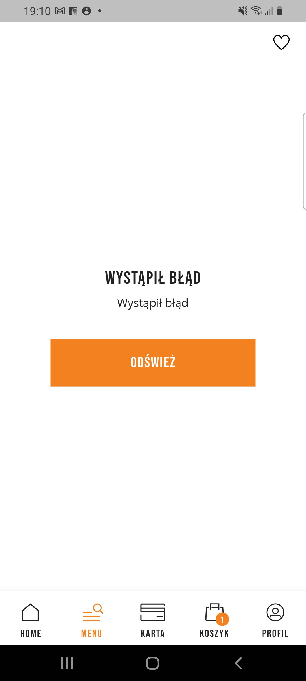
Bug Report Template
App Name: | Sizeer
Device / OS | Samsung Galaxy A70 Android 11.00
Bug Summary | crash of the app
Description | When I tap "Home" button, then "Menu" button suddenly the app crashes
Steps to reproduce | 1. Download the Sizeer app from the google play store 2. Tap on "Home" button 3. Then tap on "Menu" button
Actual result | Error message. The app crashes. An error message shows up "Wystąpił błąd odśwież" ( En error occured. Refresh the site in English).
Expected result | Menu of the app
Priority | High
Severity | Critical
Workarounds (if any) | No
Screenshots | See the screenshots below

