Bug Report Template
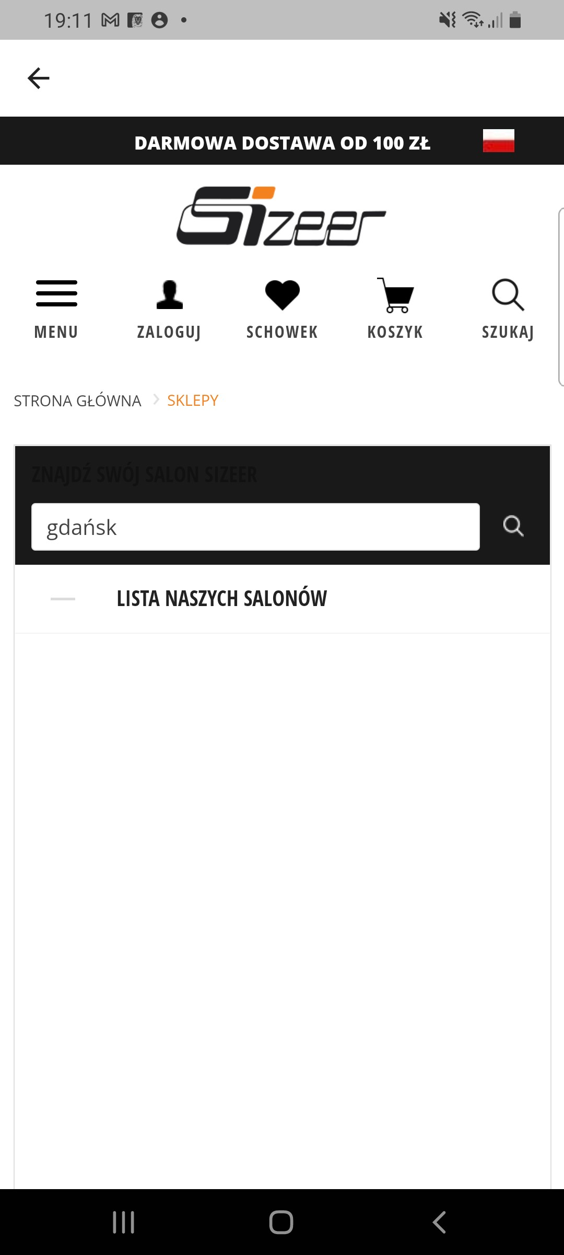
Bug Report Template
App Name: | Sizeer
Device / OS | Samsung Galaxy A70 Android 11.00
Bug Summary | Error in the list of stores in Poland
Description | When I want to see the stores localization in the Gdańsk area the app freezes
Steps to reproduce | 1. Download the Sizeer app from the google play store 2. In the homepage go to "salony" ( stores in English) section 3. In the search engine of the app write "Gdańsk"
Actual result | The app freezes. Nothing happens. Blank page. There are several stores in the Gdańsk area.
Expected result | List of the stores in the Gdańsk area.
Priority | Medium.
Severity | Major.
Workarounds (if any) | No
Screenshots | See the screenshots below

