Functional Schematic
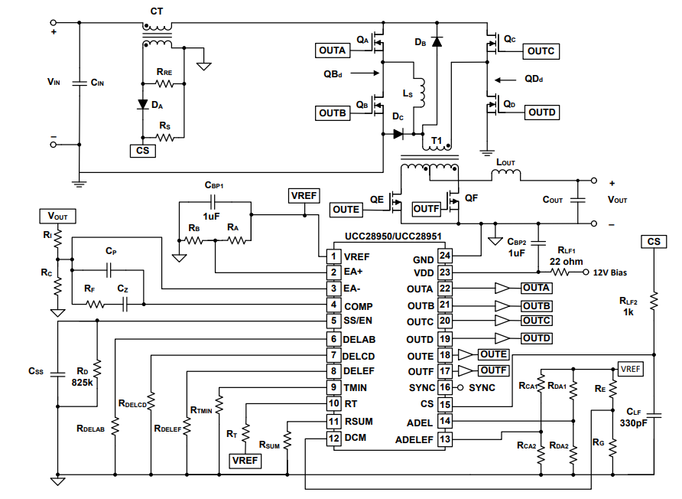

Design Information
UCC28950 and UCC28951 Excel Design Tool: SLUC222E
Revision: E | 2025-03-07

This design tool was generated based on the information in application report SLUA560
It is recommended that you read this application note before using this design tool
Enter Design Parameters and Chosen Component Values in Yellow Cells
Warning Negative Numbers in Calculated Values Could Indicate
> Efficiency goal with selected components may not be achievable
> Invalid parameters entered in yellow cells
> Design cannot calculate realistic values for your design parameters
Design Specifications
Description | Minimum | Typical | Maximum | Unit
Input Voltage | 390 | 400.00 | 410 | V
Output Voltage | 11 | 12.00 | 13 | V
Allowable Output Voltage Transients (90% Load Step) |  |  | 0.6 | V
Output Power (POUT) |  |  | 600 | W
Full Load Efficiency | 94%
Inductor (LOUT) Switching Frequency |  | 200.00 |  | kHz

Selecting Power Transformer (T1)
Description | Variable |  | Unit
Set Initial Power Budget | PBUDGET | 38.30 | W
Estimated FET Voltage Drop | VRDSON | 0.30 | V
Maximum Duty Cycle Nominal | DMAX | 0.66
T1 Transformer Turns Ratio=NP/NS | a1 | 20.89
Select Transformer Turns Ratio | a1 | 21.000
Typical Duty Cycle | DTYP | 0.65
Inductor Ripple Current | ΔILOUT | 10.00 | A
T1 Primary Magnetizing Inductance > or = | LMAG | 2.97 | mH
Please Refer to Figure of T1 Current | IPS | 55.00 | A
Please Refer to Figure of T1 Current | IMS | 45.00 | A
Please Refer to Figure of T1 Current | IMS2 | 50.00 | A
Partial RMS Current | ISRMS1 | 28.77 | A
Partial RMS Current | ISRMS2 | 21.65 | A
Partial RMS Current | ISRMS3 | 1.19 | A
Calculate T1 Secondary RMS Current (ISRMS) | ISRMS | 36.03 | A
Primary Magnetizing Current Based on LMAG | ΔILMAG | 0.43 | A
Please Refer to Figure of T1 Current | IPP | 3.20 | A
Please Refer to Figure of T1 Current | IMP | 2.73 | A
Please Refer to Figure of T1 Current | IMP2 | 2.97 | A
Partial RMS Current | IPRMS1 | 2.41 | A
Partial RMS Current | IPRMS2 | 1.80 | A
Calculate T1 Primary RMS Current (IPRMS) | IPRMS | 3.01 | A
Primary Magnetizing Inductance | LMAG | 2.97 | mH
Transformer Primary DC Resistance | DCRP | 1.00 | mΩ
Transformer Secondary DC Resistance | DCRS | 2.00 | mΩ
Measured Transformer Primary Leakage Inductance | LLK | 4.00 | uH
Estimated transform loss, 2X Copper Losses | PT1 | 10.40 | W
Recalculate Power Budget | PBUDGET | 27.90 | W
QA, QB, QC, QD FET selection:
Voltage Applied to FET Gate ≈ VDD | Vg | 12.00 | V
FET drain to source on resistance | Rds(on)QA | 8.00 | mΩ
FET Specified Coss | COSS_QA_SPEC | 80.00 | pF
QA FET Gate Charge | QAg | 150.00 | nC
Voltage Across Drain to Source Where COSS was Measured, Data Sheet Parameter | VdsQA | 25.00 | V
Calculate average COSS | COSS_QA_AVG | 19.75 | pF
Calculate QA losses | PQA | 0.43 | W
Recalculate Power Budget | PBUDGET | 26.17 | W
Select Shim Inductor (LS)
Calculated Shim Inductance | LS | -0.60 | uH | Calculated Ls is Negative and Ls Might Not be Needed, However, Leave a Place Holder for Ls Just in Case
Shim Inductance Used | LS | 2.00 | uH
LS DC Resistance | DCRLS | 2.00 | mΩ
Estimate LS power loss (PLS) | PLS | 0.04 | W
Recalculate Power Budget | PBUDGET | 26.13 | W
Selecting Output Inductor (LOUT)
Calculate Output Inductance | LOUT | 2.12 | uH
Calculate LOUT RMS Current | ILOUT_RMS | 50.33 | A
Output Inductance Used | LOUT | 2.12 | uH
LOUT equivalent series resistance | DCRLOUT | 0.75 | mΩ
Estimate LOUT power loss | PLOUT | 3.80 | W
Recalculate Power Budget | PBUDGET | 22.33 | W
Selecting Output Capacitance (COUT)
Time it takes LOUT to change 90% of its full load current | tHU | 7.95 | us
Output Capacitance ESR ≤ | ESRCOUT | 12.00 | mΩ
Output Capacitance Cout ≥ | COUT | 5962.50 | uF
Output Capacitance RMS Current | ICOUT_RMS | 5.77 | A
Number of Output Capacitors Used | n | 3.00
Single Capacitor Capacitance |  | 1500.00 | uF
Single Capacitor ESR |  | 31.00 | mΩ
Total Output Capacitance | COUT | 4500.00 | uF
Total Equivalent Series Resistance | ESRCOUT | 10.33 | mΩ
Calculate Output Capacitance Loss | PCOUT | 0.34 | W
Recalculate Power Budget | PBUDGET | 21.98 | W
Select FETs QE and QF:
Maximum Voltage Across QE and QF | VdsQE | 39.05 | V | Assumes the centre tapped secondary - as per Functional Schematic
QE and QF Gate Charge | QEg | 152.00 | nC
QE and QF on Resistance | Rds(on)QE | 4.00 | mΩ
Voltage Specified at COSS Specified in the Data Sheet | VdsQE_SPEC | 25.00 | V
Specified QE and QF COSS From the Data Sheet | COSS_SPEC | 400.00 | pF
Average QE and QF COSS | COSS_QE_AVG | 499.90 | pF
QE and QF RMS Current | IQE_RMS | 36.03 | A
Maximum Gate Charge at the end of the Miller Plateau | QEMILLER_MAX | 50.00 | nC
Minimum Gate Charge at the beginning of the Miller Plateau | QEMILLER_MIN | 30.00 | nC
Peak Current Gate of QE and QF is Driven with | IP | 8.00 | A
Approximate QE and QF Vds Rise and Fall Times | tr ≈ tf | 5.00 | ns
Estimate QE FET Losses | PQE | 7.66 | W |  | 7.66
Recalculate Power Budget | PBUDGET | 6.66 | W
Input Capacitance Calculations (CIN)
Possible Delay That will Be Required for ZVS | tDELAY | 30.72 | ns
tDELAY will act as a duty cycle clamp | DCLAMP | 0.99
Minimum Input During Line Dropout | VDROP | 260.50 | V
Calculate Minimum Input Capacitance | CIN | 217.06 | uF
High Frequency CIN RMS Current | ICINRMS | 1.77 | A
Input Capacitance Used | CIN | 330.00 | uF
Equivalent Series Resistance | ESRCIN | 10.00 | mΩ
Estimate CIN Power Dissipation | PCIN | 0.03 | W
Recalculate Power Budget This is the remaining power left for the CT network, IC and IC sensing resistors | PBUDGET | 6.63 | W
Setting up the current sense network (CT, RS, RRE, DA):
Select CT and Enter Turns Ratio a2 = IP/IS | a2 | 100.00
Calculate nominal peak current (IP1) at VINMIN | IP1 | 3.22 | A
Calculate Current Sense Resistor | RS | 50.83 | Ω
Closest Standard Resistor Value (E48) | RS | 51.10 | Ω
Select Current Sense Resistor for Your Design | RS | 48.70 | Ω
Estimate Rs Power Loss | PRS | 0.03 | W
Maximum Diode DA Reverse Voltage | VDA | 323.53 | V
Estimate DA Losses | PDA | 0.01 | W
Setting up Voltage Amplifier Reference GC(f)
Programmed Voltage Reference, Needs to be < 5V | V1 | 2.50 | V
Select Standard Resistor | RB | 2.37 | kΩ
Calculated Resistance | RA | 2.37 | kΩ
Closest Standard Resistor Value (E48) | RA | 2.37 | kΩ
Select Standard Resistor Value | RA | 2.37 | kΩ
Select Standard Resistor | RC | 2.37 | kΩ
Calculated Resistance | RI | 9.01 | kΩ
Closest Standard Resistor Value (E48) | RI | 9.09 | kΩ
Select Standard Resistor Value | RI | 9.09 | kΩ
Double pole of GCO(f) | fPP | 50.00 | kHz
Voltage Loop Crossover Frequency | fC | 5.00 | kHz
Load Impedance at 10% Load | RLOAD | 2.40 | Ω
Calculate Feedback Resistor | RF | 16.83 | kΩ
Closest Standard Resistor Value (E48) | RF | 16.90 | kΩ
Select Standard Resistor Value | RF | 27.40 | kΩ
Calculate Zero Capacitor | CZ | 5.81 | nF
Closest Standard Capacitor Value | Cz | 5.60 | nF
Select Standard Capacitor Value | CZ | 5.60 | nF
Calculate Pole Capacitor | CP | 580.86 | pF
Closest Standard Capacitor Value | CP | 560.00 | pF
Select Standard Capacitor Value | CP | 560.00 | pF
Tv(f) Frequency Response
 | TvdB(f) | ӨTv(f)
100 | 52.646044091 | 14.946693471
1000 | 15.873474477 | 54.928487122
3000 | 5.5267668363 | 94.265822248
4000 | 3.8835648505 | 101.19831724
5000 | 2.8230677434 | 104.62398802
6000 | 2.0439165512 | 105.94995406
7000 | 1.412918812 | 105.97892761
8000 | 0.86631678094 | 105.19357937
9000 | 0.37200135421 | 103.89319043
10000 | -0.086782293177 | 102.26701821
11000 | -0.5190286212 | 100.43617202
12000 | -0.92970941689 | 98.478535583
13000 | -1.3216857062 | 96.444078376
14000 | -1.6967115196 | 94.364499117
15000 | -2.0559692641 | 92.259420044
16000 | -2.400357268 | 90.140428527
17000 | -2.7306440274 | 88.013748066
18000 | -3.0475501595 | 85.882022602
19000 | -3.3517911294 | 83.745519979
20000 | -3.6440988664 | 81.602951243
21000 | -3.9252322227 | 79.45203403
22000 | -4.1959817112 | 77.28988478
23000 | -4.4571714379 | 75.113296299
24000 | -4.7096597212 | 72.918938724
25000 | -4.9543390886 | 70.70350968
26000 | -5.1921358872 | 68.463851153
27000 | -5.424009485 | 66.197044952
28000 | -5.6509508975 | 63.900494658
29000 | -5.8739805966 | 61.57199913
30000 | -6.0941452288 | 59.209820486
31000 | -6.3125129652 | 56.812747853
32000 | -6.5301672376 | 54.380156834
33000 | -6.748198669 | 51.912063559
34000 | -6.967695088 | 49.409171345
35000 | -7.1897296311 | 46.872907293
36000 | -7.4153470713 | 44.305445784
37000 | -7.6455486653 | 41.709715718
38000 | -7.8812759795 | 39.089388584
39000 | -8.123394304 | 36.448845053
40000 | -8.3726763994 | 33.793118785
41000 | -8.629787403 | 31.127817408
42000 | -8.8952717432 | 28.459022143
43000 | -9.1695428601 | 25.793169145
44000 | -9.4528763985 | 23.136917033
45000 | -9.7454073432 | 20.497006306
46000 | -10.047131316 | 17.880117024
47000 | -10.357909976 | 15.292731317
48000 | -10.67748021 | 12.741006875
49000 | -11.005466537 | 10.230666675
50000 | -11.341396023 | 7.7669088634
...

Select Soft Start Capacitor (CSS)
Soft Start Time | tSS | 15.00 | ms
Calculate Soft Start Capacitor | CSS | 122.95 | nF
Closest Standard Capacitor Value | CSS | 120.00 | nF
Select Standard Capacitor Value | CSS | 150.00 | nF
Setting AB Initial Turn-on Delay (tABSET)
Calculate 1/4 LC Tank Frequency and set AB Initial Delay | tABSET | 30.72 | ns
Enter/Fine Tune tABSET Based on Valley Switching/ZVS | tABSET | 346.00 | ns
Select Standard Resistor for RDA1 for tABSET Delay Range | RDA1 | 8.25 | kΩ
Calculate Voltage at ADEL pin to Meet Delay Range | VADEL | 0.20 | V
Calculate RDA2 | RDA2 | 0.34 | kΩ
Closest Standard Resistor Value (E48) | RDA2 | 0.35 | kΩ
Select Standard Resistor for RDA2 for tABSET Delay Range | RDA2 | 0.35 | kΩ
Recalculate VADEL Based on RDA1 and RDA2 Selection | VADEL | 0.20 | V
Calculate AB timing resistor | RDELAB | 30.38 | kΩ
Closest Standard Resistor Value (E48) | RDELAB | 30.10 | kΩ
Select Standard Resistor Value (Between 13K and 90K ohm) | RDELAB | 30.10 | kΩ
Setting CD Initial Turn-on Delay (tCDSET)
Set Initial CD delay to AB Delay tABSET = tCDSET | tCDSET | 30.72 | ns
Enter/Fine Tune tABSET Based on Valley Switching/ZVS | tCDSET | 346.00 | ns
Calculate AB timing resistor | RDELCD | 30.38 | kΩ
Closest Standard Resistor Value (E48) | RDELCD | 30.10 | kΩ
Select Standard Resistor Value (Between 13K and 90K ohm) | RDELCD | 30.10 | kΩ
Setting AF and BE turnoff delay (tAFSET, tBESET)
Set to half of tABSET | tAFSET = tBESET | 173.00 | ns
Enter/Fine Tune tAFSET and tAFSET | tAFSET = tBESET | 173.00 | ns
Select Standard Resistor for RCA1 for tAFSET Delay Range | RCA1 | 8.25 | kΩ
Calculate Voltage at ADELEF pin to Meet Delay Range | VADELEF | 1.70 | V
Calculate RCA2 | RCA2 | 4.25 | kΩ
Closest Standard Resistor Value (E48) | RCA2 | 4.22 | kΩ
Select Standard Resistor Value | RCA2 | 4.22 | kΩ
Calculate Voltage at ADELEF pin to Meet Delay Range | VADELEF | 1.69 | V
Calculate AB timing resistor | RDELEF | 14.08 | kΩ
Closest Standard Resistor Value (E48) | RDELEF | 14.00 | kΩ
Select Standard Resistor Value(Between 13K and 90K ohm) | RDELEF | 14.00 | kΩ
Setting Minimum on Time
Minimum on Time | tMIN | 100.00 | ns
Calculate RTMIN | RTMIN | 12.88 | kΩ
Closest Standard Resistor Value (E48) | RTMIN | 12.70 | kΩ
Select Standard Resistor Value | RTMIN | 12.10 | kΩ
Setup PWM Switching Frequency
Calculate RT Value | RT | 60.00 | kΩ
Closest Standard Resistor Value (E48) | RT | 59.00 | kΩ
Select Standard Resistor Value | RT | 61.90 | kΩ
Setup Slope Compensation
Calculate Magnetizing Current during ILOUT down slope | dILMAG | 0.24 | A
Calculate VSLOPE1 | VSLOPE1 | 0.04 | V/us
Calculate VSLOPE2 | VSLOPE2 | 0.00 | V/us
Calculate VSLOPE | VSLOPE | 0.04 | V/us
Calculate RSUM | RSUM | 125.00 | kΩ
Closest Standard Resistor Value (E48) | RSUM | 127.00 | kΩ
Select Standard Resistor Value | RSUM | 127.00 | kΩ
Setup DCM Comparator
Voltage across RS at 15% load | VRS | 0.29 | V
Select Standard Resistor | RG | 1.00 | kΩ
Calculate RE | RE | 16.16 | kΩ
Closest Standard Resistor Value (E48) | RE | 16.20 | kΩ
Select Standard Resistor Value | RE | 16.90 | kΩ

