Sheet1
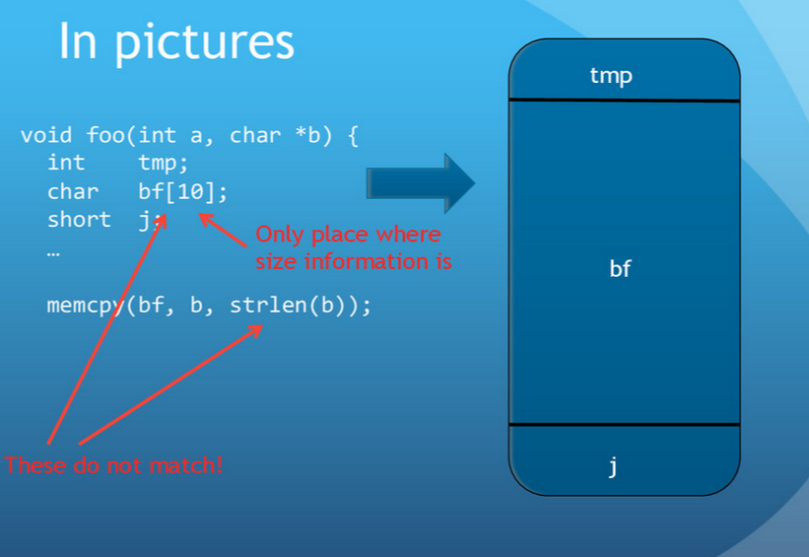
1 | Topic | Windows Platform Attack
 | Name | Vincent & Tony

2 | Presentation Overview

3 | Exploit Development | Memory Leak | Stack and heap overflow
 |  | Example
 |  | Reverse Engineering | Machine Code | Assembly Code | C code
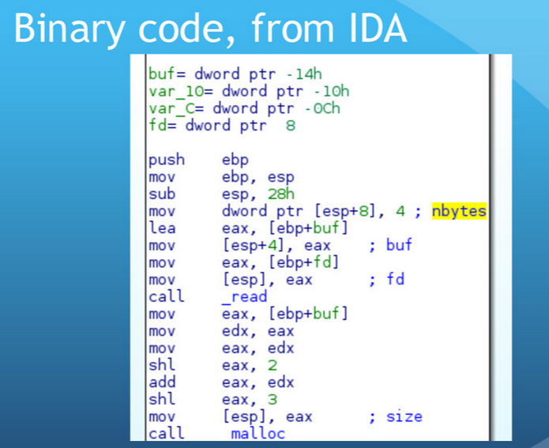
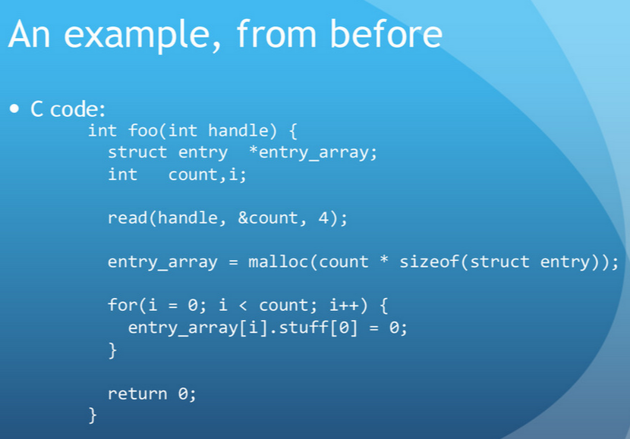
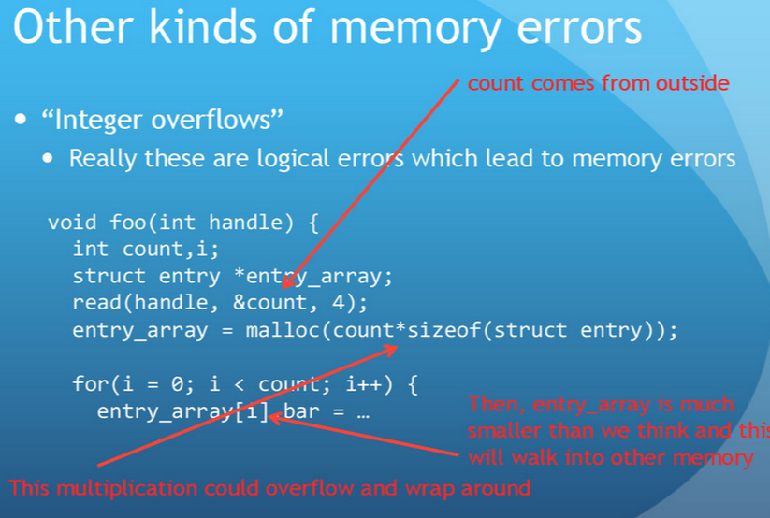
 |  | Find Bugs for memory leakage

4 | Kali Linux | What is it?
 |  | Framework
 |  | MetaExploit
 |  | Other tools?

5 | Procedure | Two VMs
 |  | Connections

6 | Live Demo

7 | Defence Strategy | Good Compiler
 |  | Firewall
 |  | Patch updates
8 | Summary
9 | Reference

