Frontpage
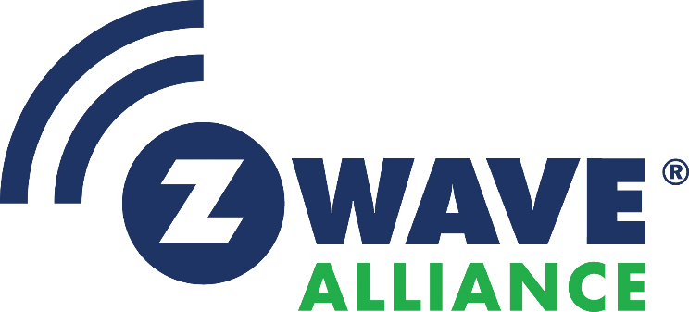 Software Design Specification SDS13425 - Z-Wave Plus Assigned Manufacturer IDs This document defines constant manufacturer identifiers to use for the field Manufacturer ID (16 bits) defined in the Manufacturer Specific Command Class. Individual tabs in this workbook provide access to the change record and to the actual assigned manufacturer identifiers. New manufacturer identifiers are requested from the Z-Wave Certification Group.
DOCUMENTATION DISCLAIMER
Copyright Notice
Copyright ©2021 Z-Wave Alliance, Inc. All rights reserved.
License Restrictions Warranty/Consequential Damages Disclaimer
This documentation is provided under certain restrictions on use and disclosure and is protected by intellectual property laws. You may not license, any part, in any form, or by any means. You may use, copy and re-distribute this documentation, in whole or in part. This permission does not grant the recipient's right to modify information contained in this documentation and redistribute this modified information, in whole or in part. Notwithstanding anything contained to the contrary herein, the creation of any derivative works which affects Z‑Wave interoperability, based on this documentation shall be strictly prohibited, unless such derivative works are first submitted to the Z‑Wave Alliance for review and approval.
Warranty Disclaimer
The information contained herein is subject to change without notice and is not warranted to be error-free. Silicon Labs and its affiliates are not responsible for and expressly disclaim all warranties of any kind with respect to this documentation and will not be responsible for any loss, costs, or damages incurred due to the use of this documentation.
Restricted Rights Notice
If this is documentation that is delivered or accessed by the U.S. Government or anyone licensing it on behalf of the U.S. Government, the following notice is applicable:
U.S. GOVERNMENT END USERS: Any Silicon Labs software, hardware and/or documentation delivered to U.S. Government end users are "commercial computer software" pursuant to the applicable Federal Acquisition Regulation and agency-specific supplemental regulations. As such, use, duplication, disclosure, modification, and adaptation of the programs and/or software or documentation, including any integrated software, any programs installed on hardware, and/or documentation, shall be subject to license terms and license restrictions applicable to the programs. No other rights are granted to the U.S. Government.
Hazardous Applications Notice
This documentation is developed for general use. It is not developed or intended for use in any inherently dangerous applications, including applications that may create a risk of personal injury. If you use this documentation to create or facilitate the creation of dangerous applications, then you shall be responsible to take all appropriate fail-safe, backup, redundancy, and other measures to ensure its safe use. Silicon Labs and its affiliates disclaim any liability for any damages caused by use of this documentation in dangerous applications.

