5-2
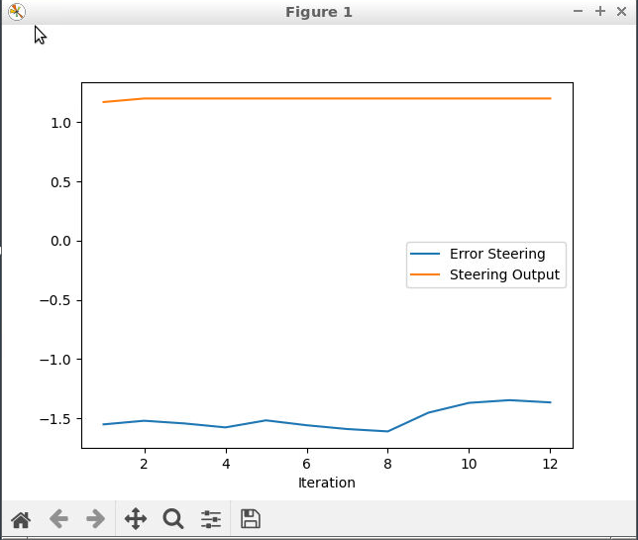
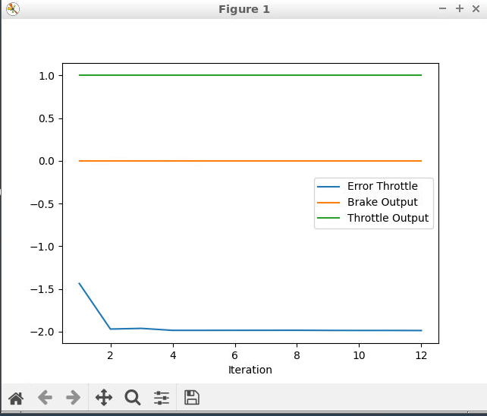
 | 0.1 - 0.5 | 0.01 - 0.1 | 0.05-0.4 | 0.1-0.3 | 0.05-0.15 | 0.05-0.25
 |  |  | avoid overshoot
TEST | KP | KI | KD | KP | KI | KD | cte |  | test 1
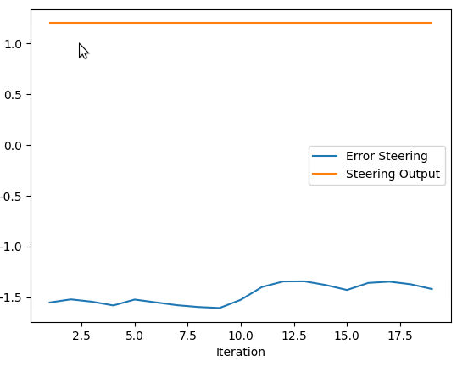
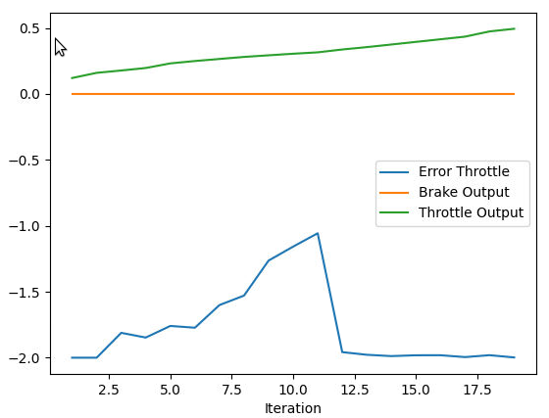
1 | 0.35 | 0.1 | 0.01 | 0.2 | 0.01 | 0.002 |  | turn right and hit the wall
2 | 0.2 | 0.03 | 0.02 | 0.182 | 0.04 | 0.002
3 | 0.3 | 0.01 | 0.1 | 0.3 | 0.05 | 0.05
4 | 0.3 | 0.01 | 0.4 | 0.35 | 0.01 | 0.2
5 | 3 | 0.1 | 0.8 | 0.35 | 0.01 | 0.2
6 | 0.1 | 0.005 | 0.001 | 0.2 | 0.05 | 0.01 | changed cte to cte_in
7 | 0.2 | 0.05 | 0.01 | 0.3 | 0.05 | 0.01

 |  |  |  |  |  |  |  |  | Test 3
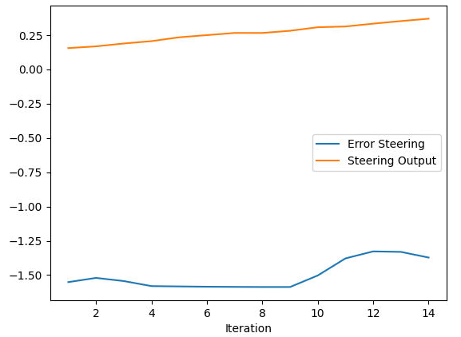
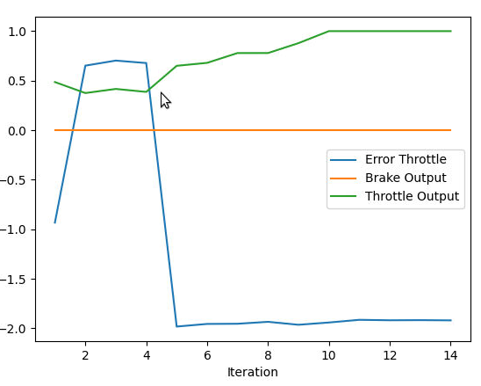

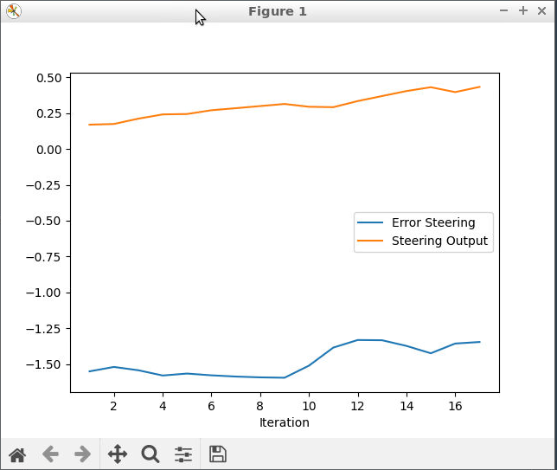
 |  |  |  |  |  |  |  |  | 4
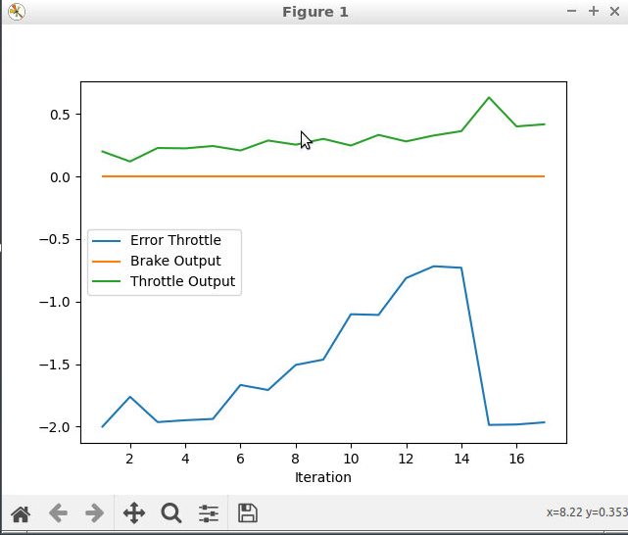

 |  |  |  |  |  |  |  |  | 5

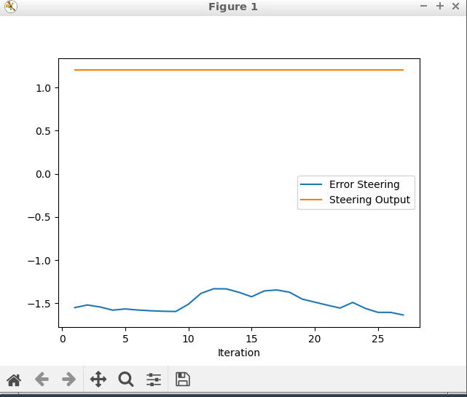
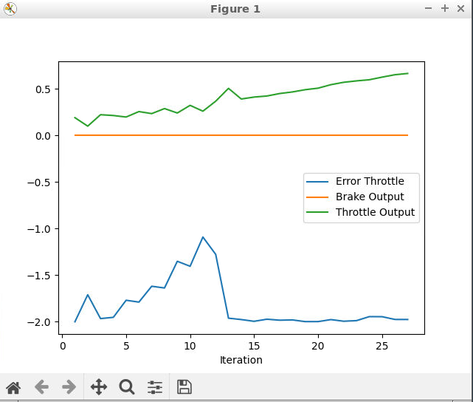

 |  |  |  |  |  |  |  |  | 6
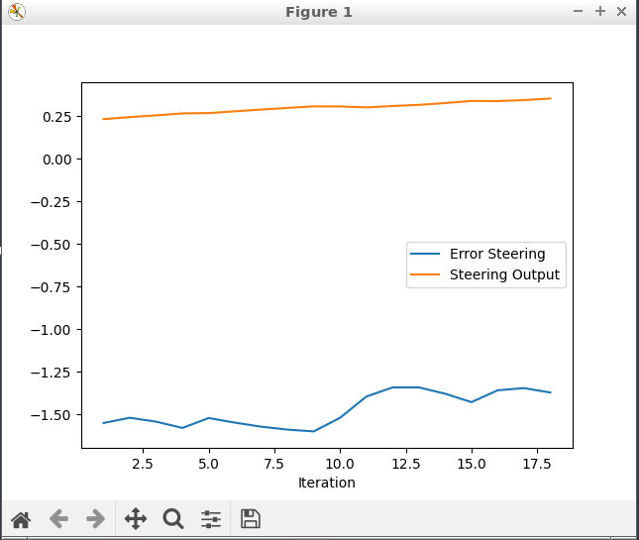
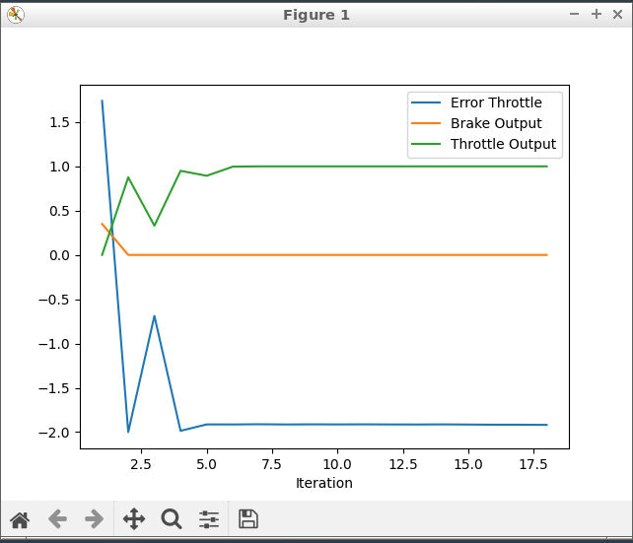

 |  |  |  |  |  |  |  |  | 7

