Scatterplot
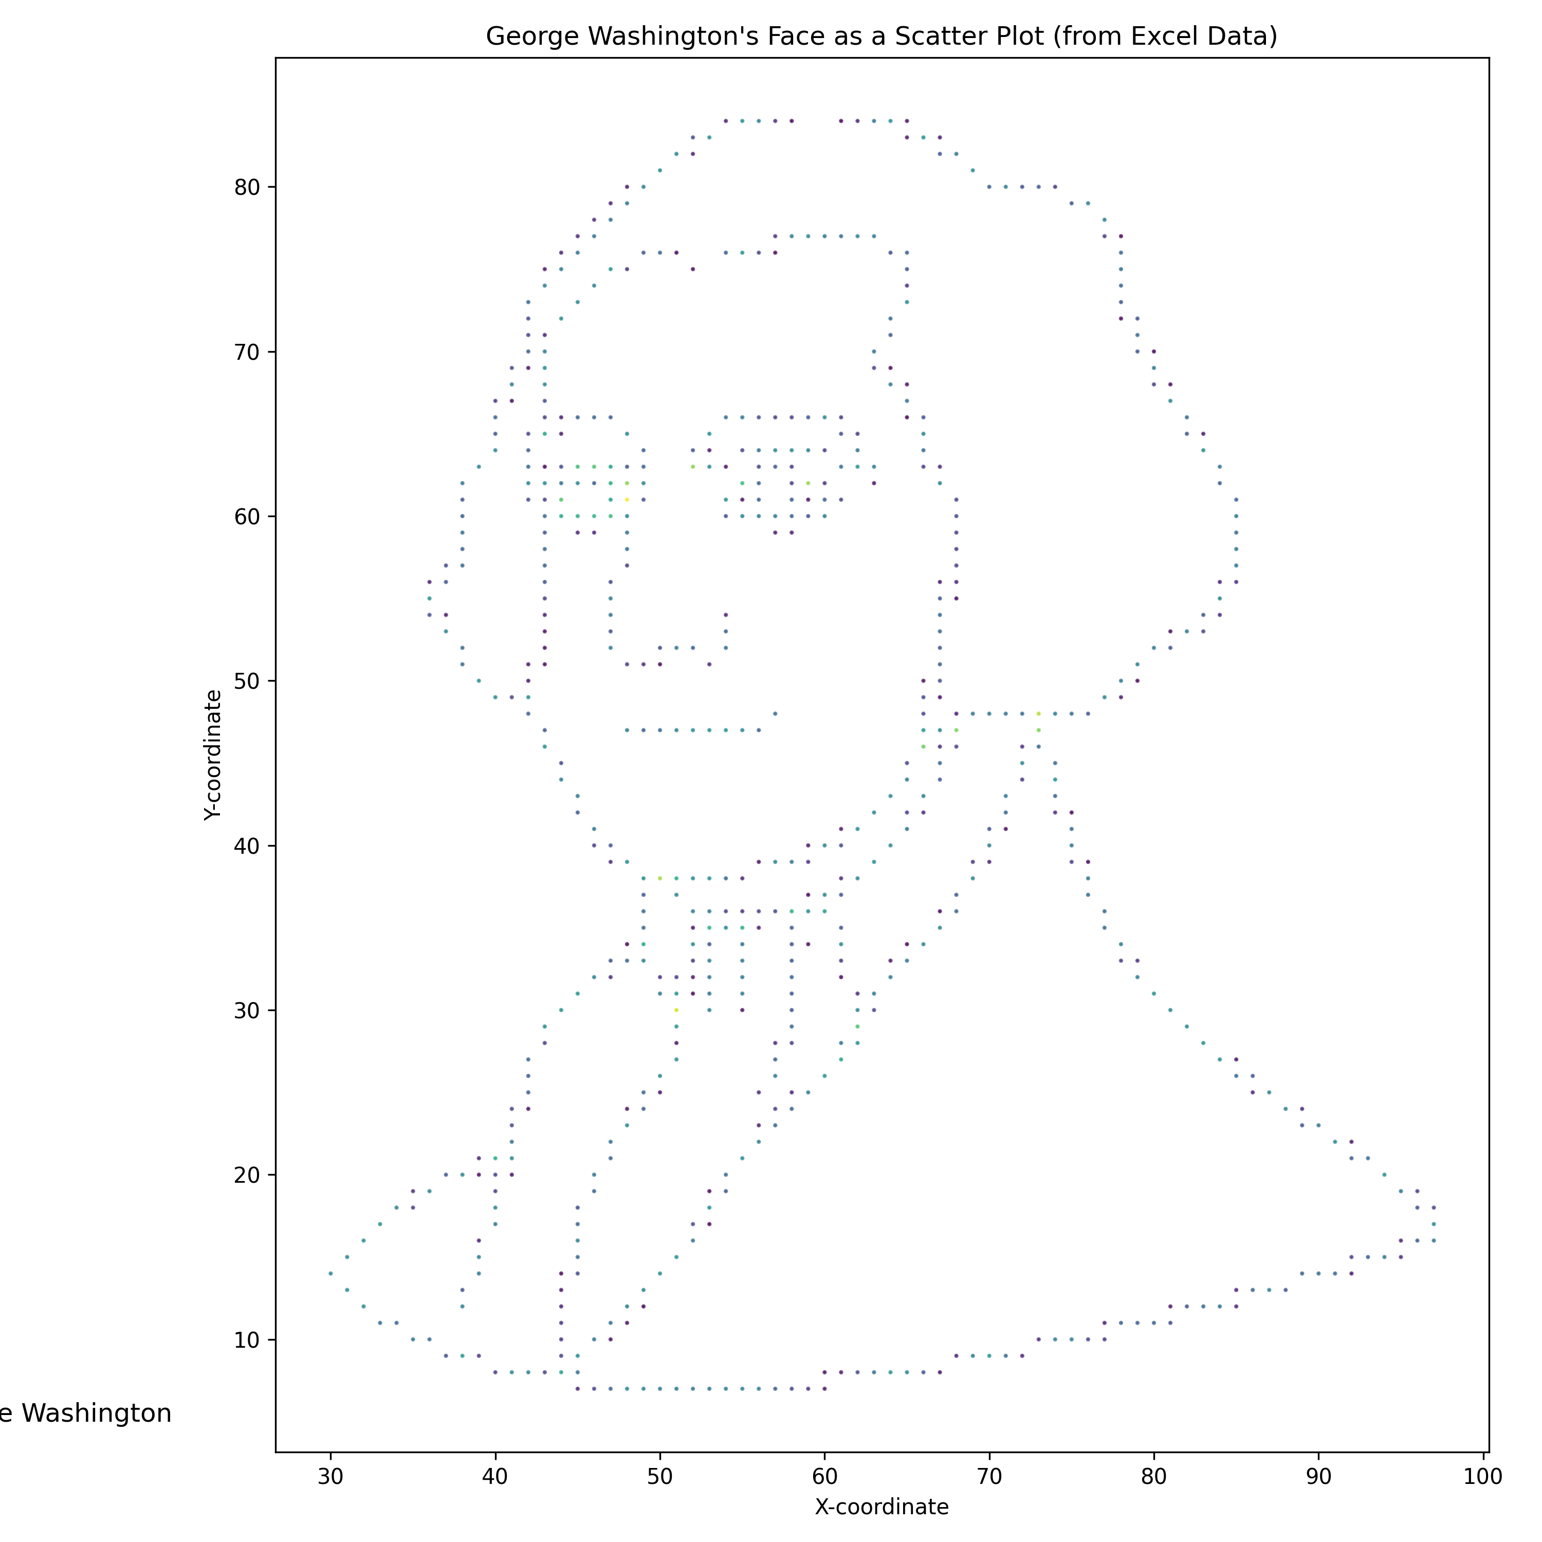
George Washington Scatterplot

