Scatterplot
George Washington (scatterplot, y≥25)
 | pixels
96 | 225
97 | 225
98 | 225
99 | 225
100 | 225
101 | 225
102 | 225
92 | 224
93 | 224
94 | 224
95 | 224
96 | 224
100 | 224
101 | 224
102 | 224
103 | 224
104 | 224
105 | 224
89 | 223
90 | 223
91 | 223
92 | 223
93 | 223
102 | 223
106 | 223
85 | 222
86 | 222
87 | 222
88 | 222
89 | 222
90 | 222
79 | 221
80 | 221
81 | 221
82 | 221
83 | 221
84 | 221
85 | 221
86 | 221
87 | 221
109 | 221
110 | 221
111 | 221
77 | 220
78 | 220
112 | 220
113 | 220
76 | 219
77 | 219
114 | 219
...

3D Plot
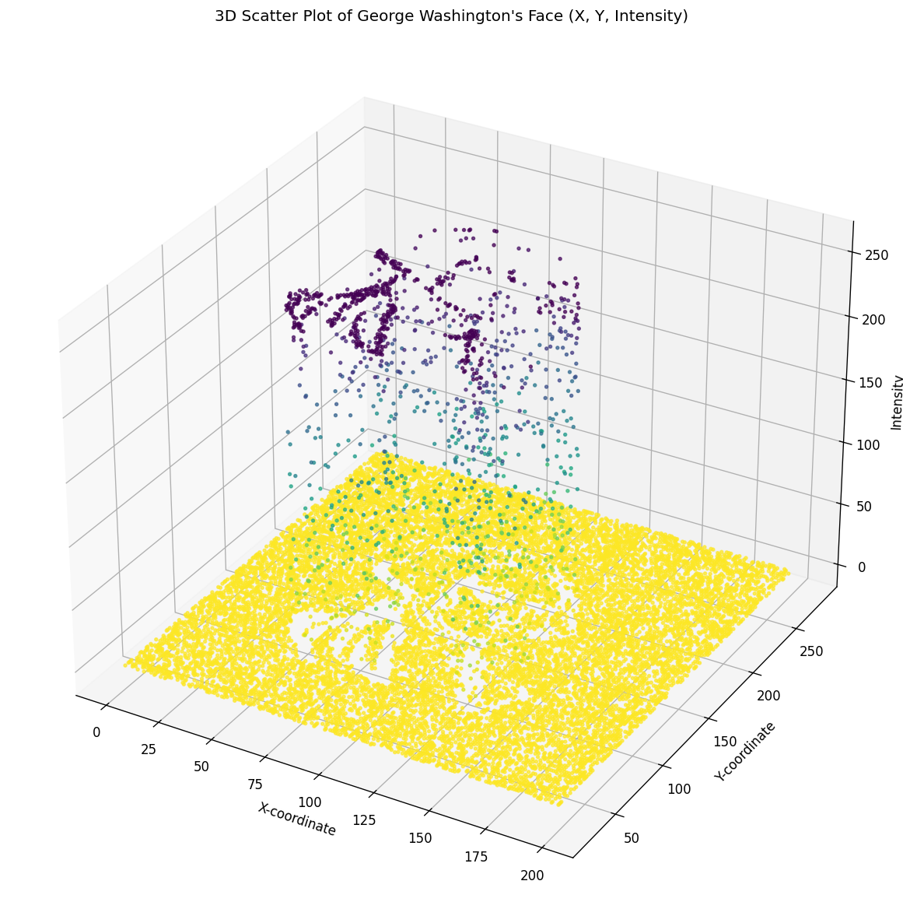
3D scatter (matplotlib), y≥25 filter applied. Interactive Plotly: washington_3d_interactive.html

