Scatterplot
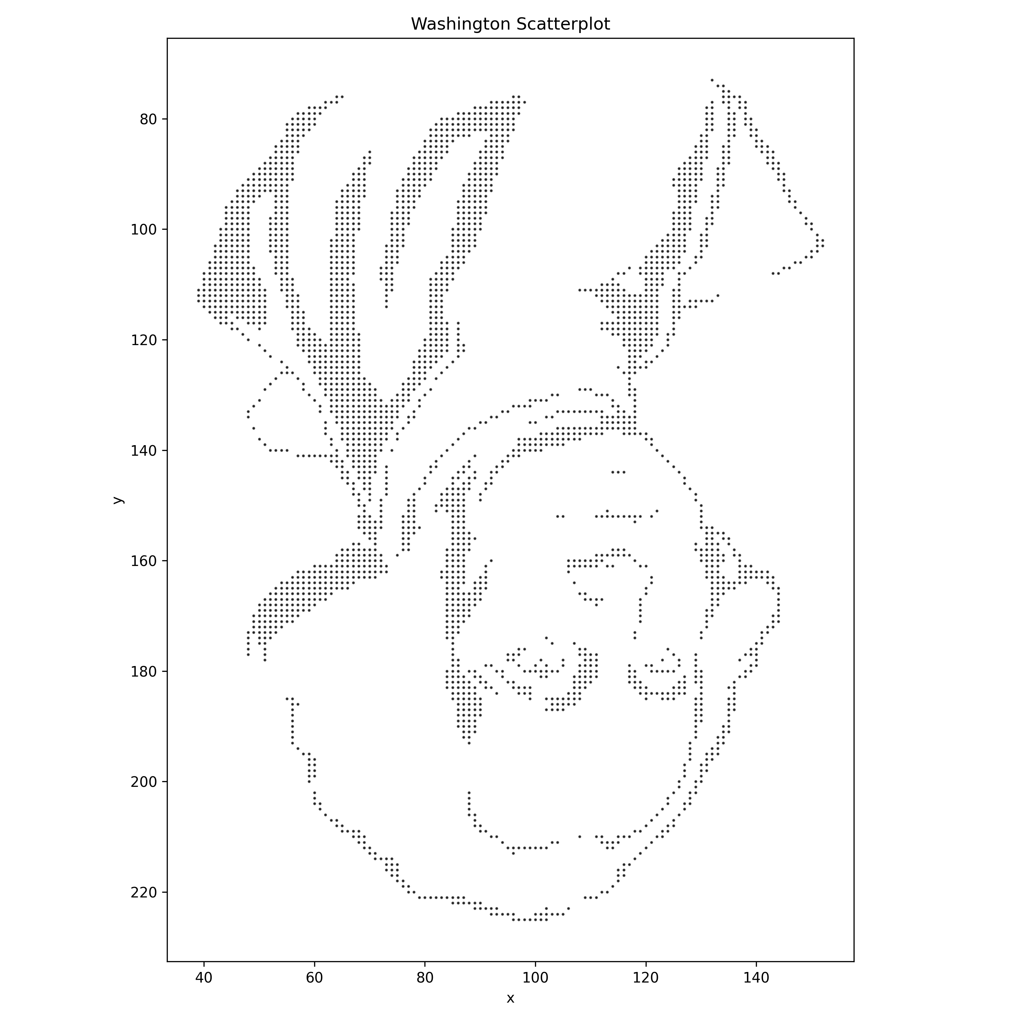
Washington Scatterplot

