Scenario Summary
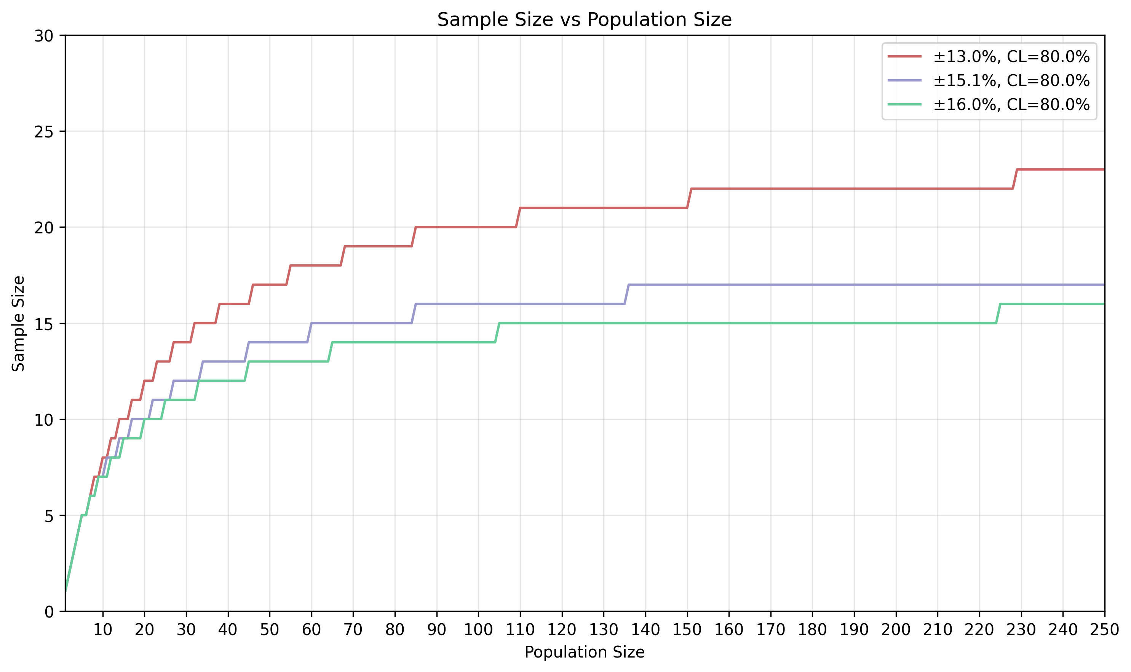
Scenario | Z-Score | Confidence_Level | Margin_of_Error | Max_Sample_Size
Scenario A (80.0%, ±13.0%) | 1.28 | 80.0% | ±13.0% | 25
Scenario B (80.0%, ±15.1%) | 1.28 | 80.0% | ±15.1% | 18
Scenario C (80.0%, ±16.0%) | 1.28 | 80.0% | ±16.0% | 16

Scenario A (80.0%, ±13.0%)
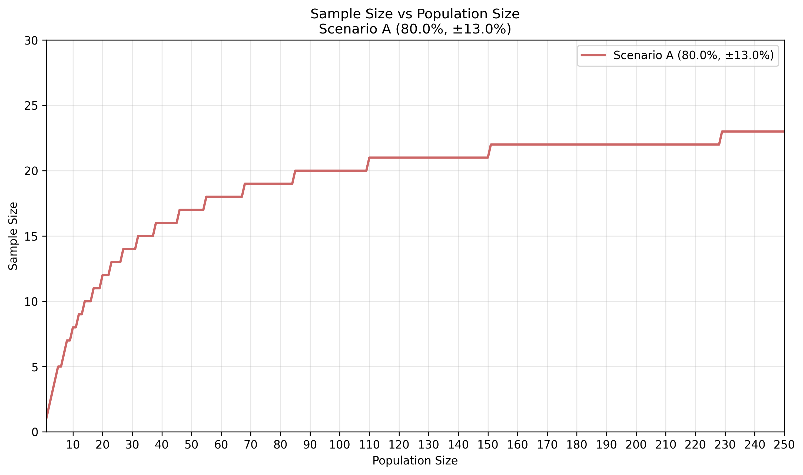
Sample_Size | Population_Range
1 | 1
2 | 2
3 | 3
4 | 4
5 | 5-6
6 | 7
7 | 8-9
8 | 10-11
9 | 12-13
10 | 14-16
11 | 17-19
12 | 20-22
13 | 23-26
14 | 27-31
15 | 32-37
16 | 38-45
17 | 46-54
18 | 55-67
19 | 68-84
20 | 85-109
21 | 110-150
22 | 151-228
23 | 229-432
24 | 433-2356
25 | 2357-20000

Scenario B (80.0%, ±15.1%)
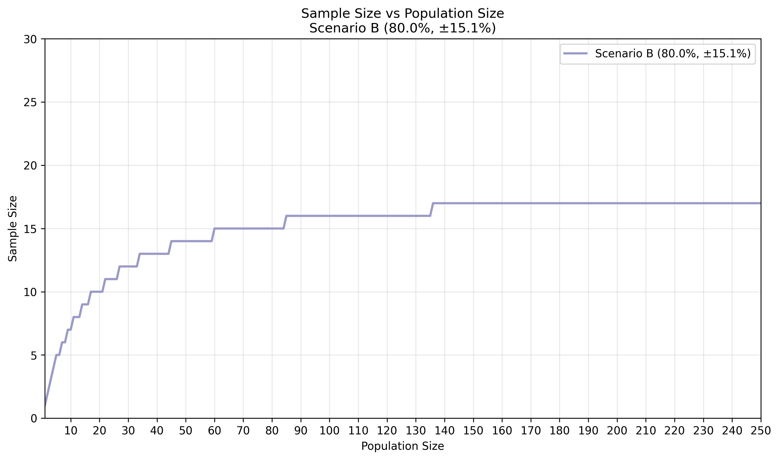
Sample_Size | Population_Range
1 | 1
2 | 2
3 | 3
4 | 4
5 | 5-6
6 | 7-8
7 | 9-10
8 | 11-13
9 | 14-16
10 | 17-21
11 | 22-26
12 | 27-33
13 | 34-44
14 | 45-59
15 | 60-84
16 | 85-135
17 | 136-287
18 | 288-20000

Scenario C (80.0%, ±16.0%)
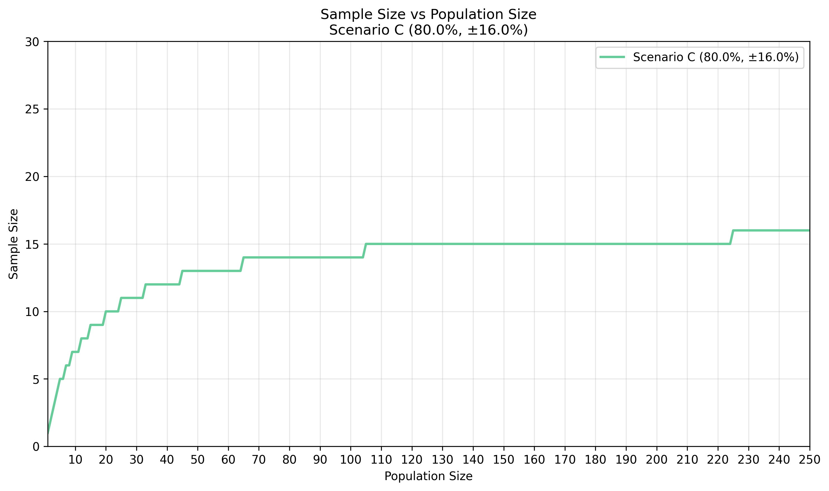
Sample_Size | Population_Range
1 | 1
2 | 2
3 | 3
4 | 4
5 | 5-6
6 | 7-8
7 | 9-11
8 | 12-14
9 | 15-19
10 | 20-24
11 | 25-32
12 | 33-44
13 | 45-64
14 | 65-104
15 | 105-224
16 | 225-20000

