Level 1 Grade 4
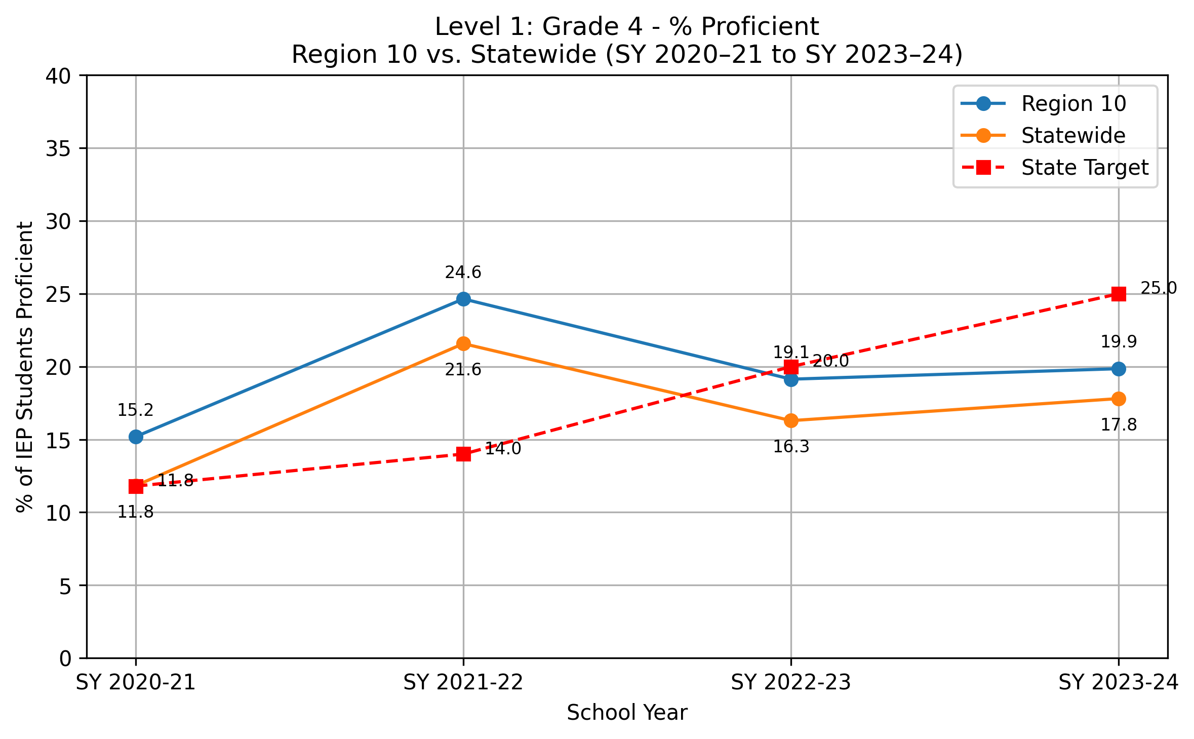
School Year | Region 10 Proficient (%) | Statewide Proficient (%) | State Target (%)
SY 2020-21 | 15.2 | 11.8 | 11.8
SY 2021-22 | 24.6 | 21.6 | 14
SY 2022-23 | 19.1 | 16.3 | 20
SY 2023-24 | 19.9 | 17.8 | 25

Note: Percentages represent weighted averages combining data from each grade level (Grade 4, Grade 8, and High School) over a four-year period. Calculations are performed separately for regional and state levels. The percentages are calculated as the total number of students proficient at grade level or above (numerator) divided by the total number of students with Individualized Education Programs (IEP) who have valid assessment results (denominator).

Level 1 Grade 8
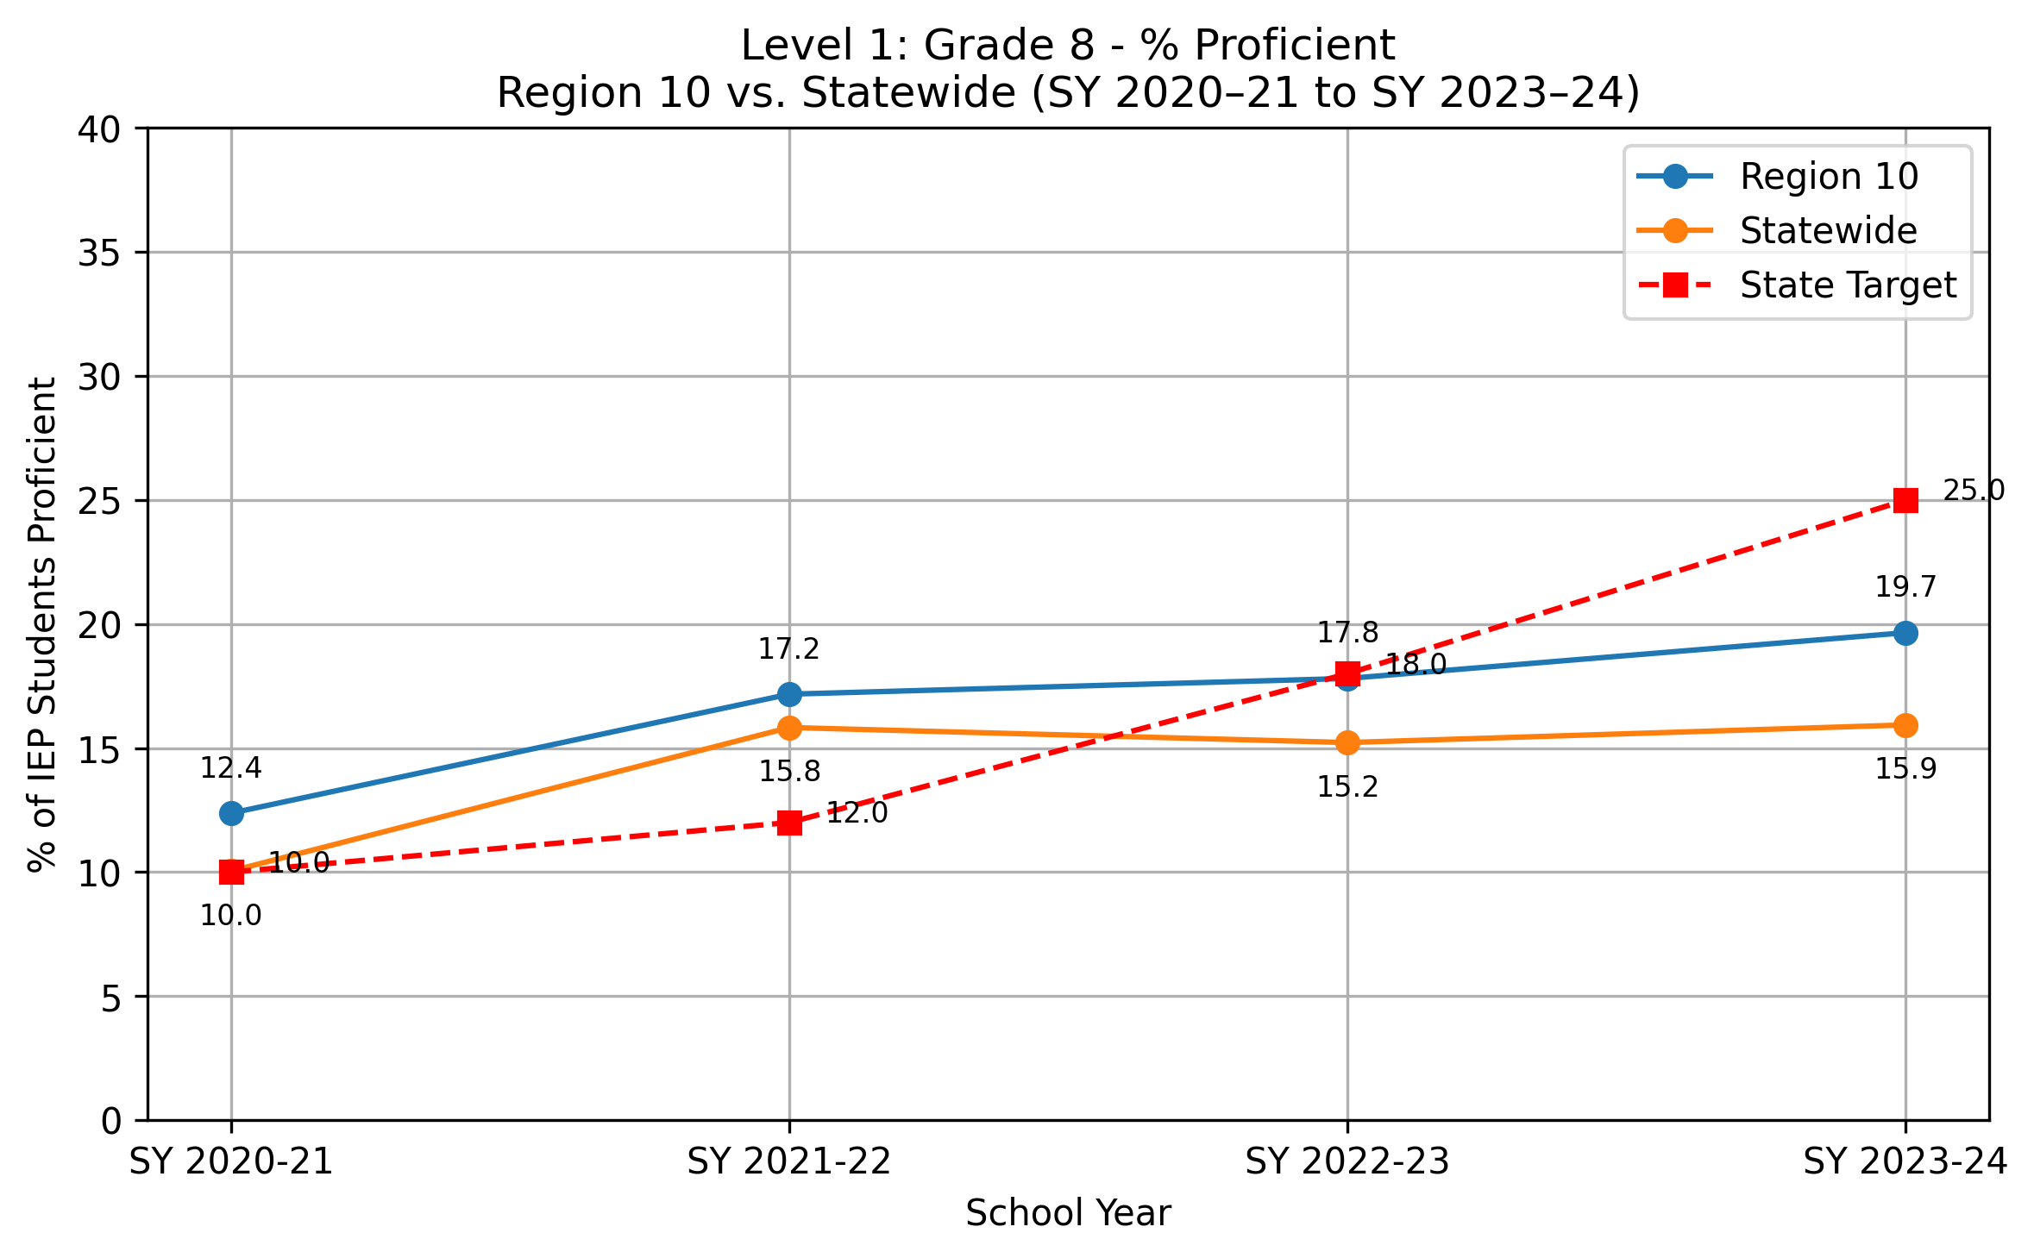
School Year | Region 10 Proficient (%) | Statewide Proficient (%) | State Target (%)
SY 2020-21 | 12.4 | 10 | 10
SY 2021-22 | 17.2 | 15.8 | 12
SY 2022-23 | 17.8 | 15.2 | 18
SY 2023-24 | 19.7 | 15.9 | 25

Note: Percentages represent weighted averages combining data from each grade level (Grade 4, Grade 8, and High School) over a four-year period. Calculations are performed separately for regional and state levels. The percentages are calculated as the total number of students proficient at grade level or above (numerator) divided by the total number of students with Individualized Education Programs (IEP) who have valid assessment results (denominator).

Level 1 High School
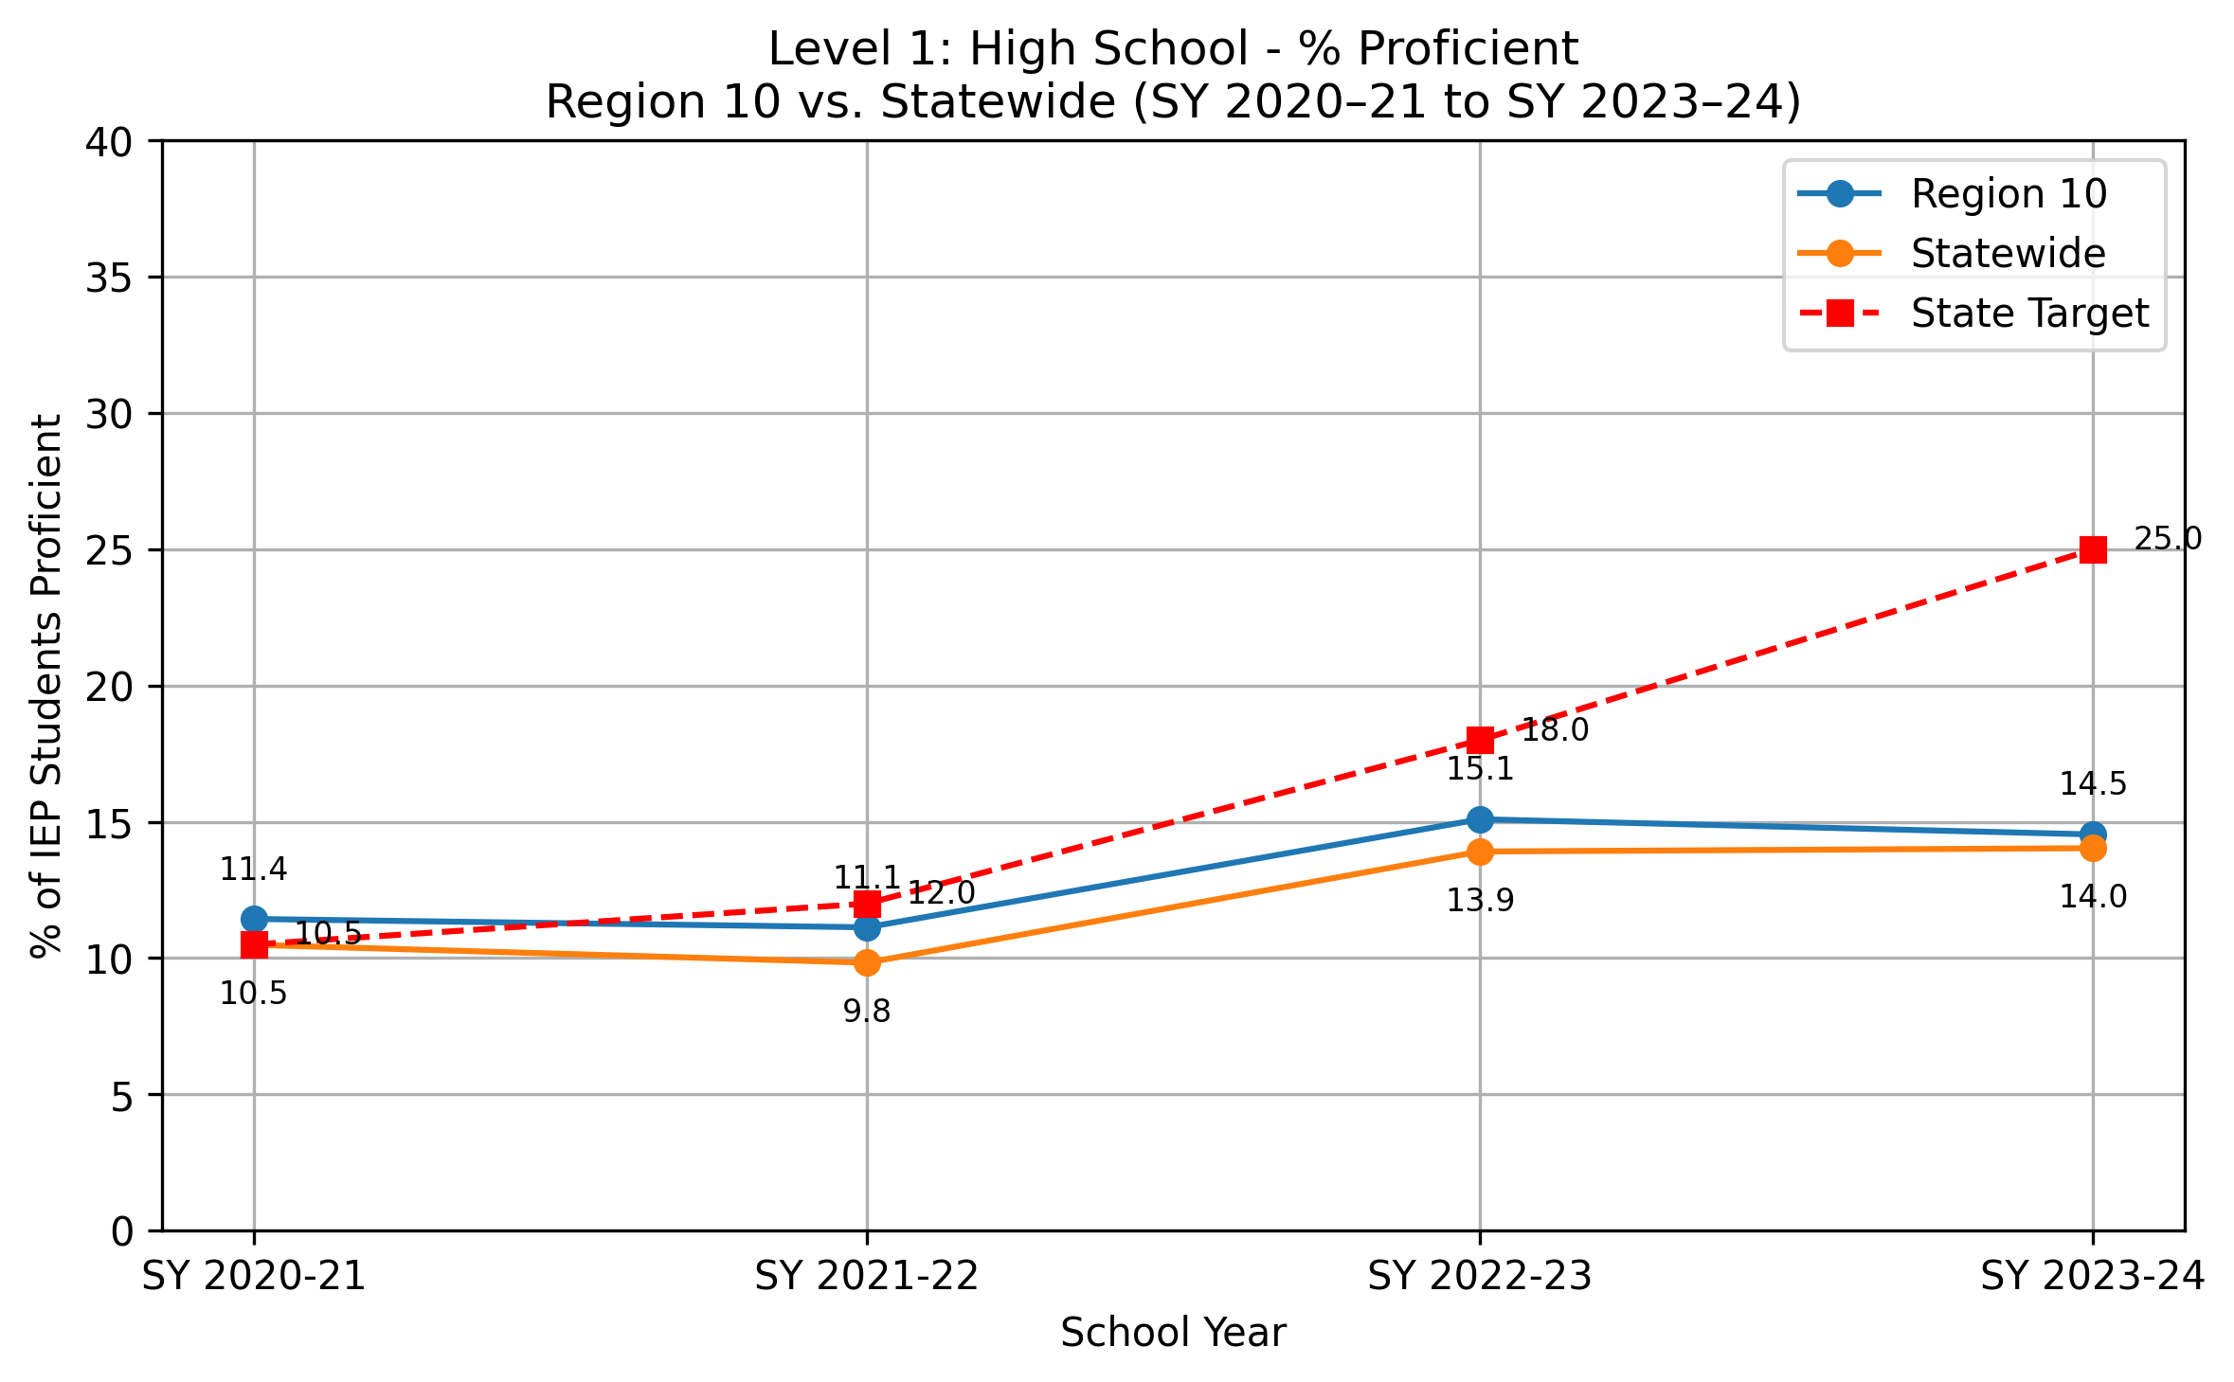
School Year | Region 10 Proficient (%) | Statewide Proficient (%) | State Target (%)
SY 2020-21 | 11.4 | 10.5 | 10.5
SY 2021-22 | 11.1 | 9.8 | 12
SY 2022-23 | 15.1 | 13.9 | 18
SY 2023-24 | 14.5 | 14 | 25

Note: Percentages represent weighted averages combining data from each grade level (Grade 4, Grade 8, and High School) over a four-year period. Calculations are performed separately for regional and state levels. The percentages are calculated as the total number of students proficient at grade level or above (numerator) divided by the total number of students with Individualized Education Programs (IEP) who have valid assessment results (denominator).

Level 2 Combined
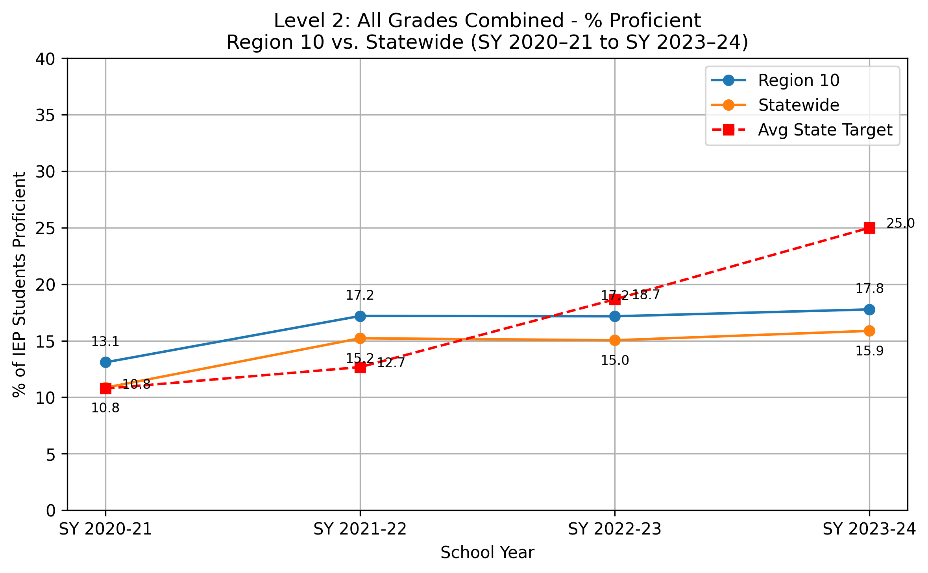
School Year | Region 10 Proficient (%) | Statewide Proficient (%) | State Target (%)
SY 2020-21 | 13.1 | 10.8 | 10.8
SY 2021-22 | 17.2 | 15.2 | 12.7
SY 2022-23 | 17.2 | 15 | 18.7
SY 2023-24 | 17.8 | 15.9 | 25

Note: Percentages represent weighted averages combining data from all three grade levels (Grade 4, Grade 8, and High School) over a four-year period. Calculations are performed separately for regional and state levels. The percentages are calculated as the total number of students proficient at grade level or above (numerator) divided by the total number of students with Individualized Education Programs (IEP) who have valid assessment results (denominator).

Level 3 Grade 4
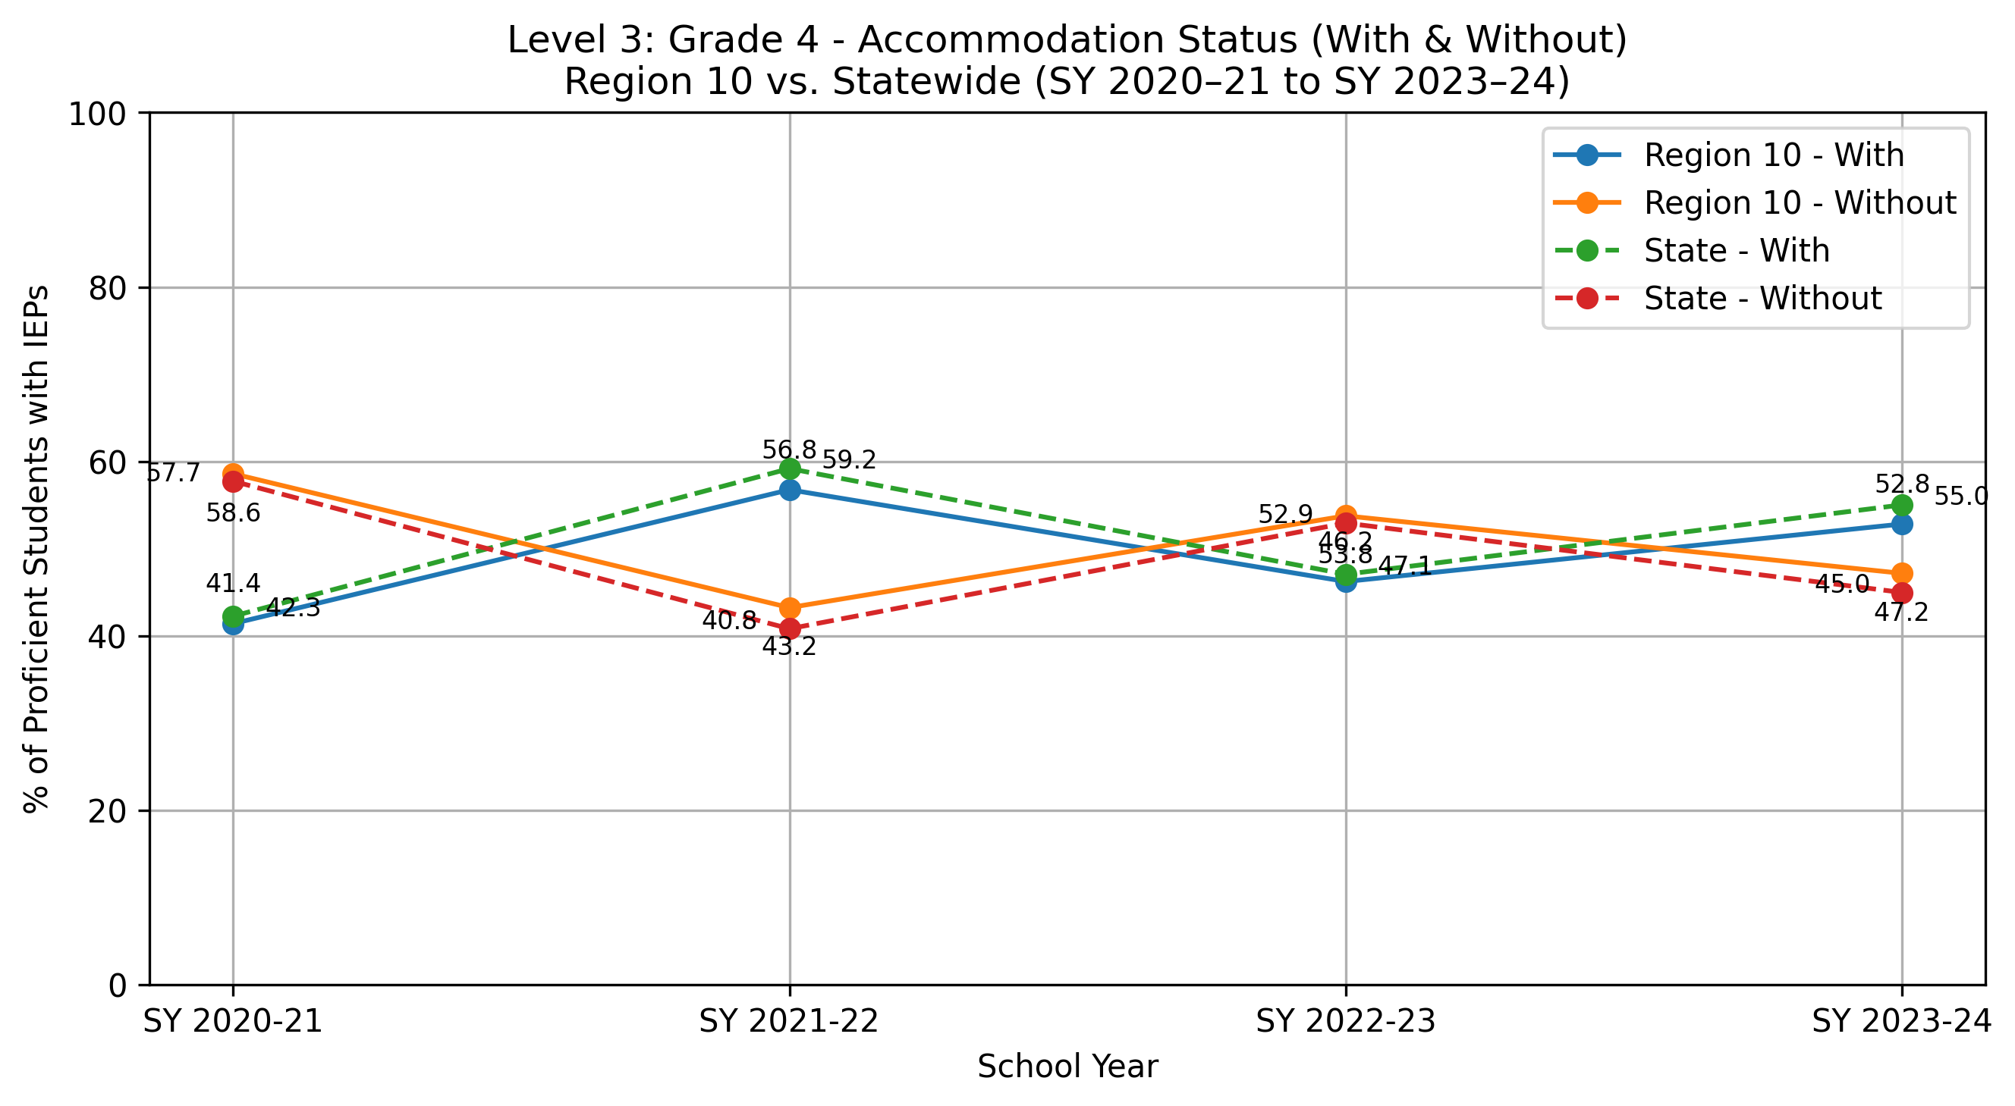
School Year | Region 10 - With Accommodations (%) | Region 10 - Without Accommodations (%) | State - With Accommodations (%) | State - Without Accommodations (%)
SY 2020-21 | 41.4 | 58.6 | 42.3 | 57.7
SY 2021-22 | 56.8 | 43.2 | 59.2 | 40.8
SY 2022-23 | 46.2 | 53.8 | 47.1 | 52.9
SY 2023-24 | 52.8 | 47.2 | 55 | 45

Note: Percentages represent weighted averages combining data from each grade level (Grade 4, Grade 8, and High School) over a four-year period. Two distinct percentages are reported for each level: the percentage of students proficient with accommodations, calculated as total students proficient with accommodations (numerator) divided by total students proficient at grade level or above (denominator), and the percentage of students proficient without accommodations, calculated as total students proficient without accommodations (numerator) divided by total students proficient at grade level or above (denominator).

Level 3 Grade 8
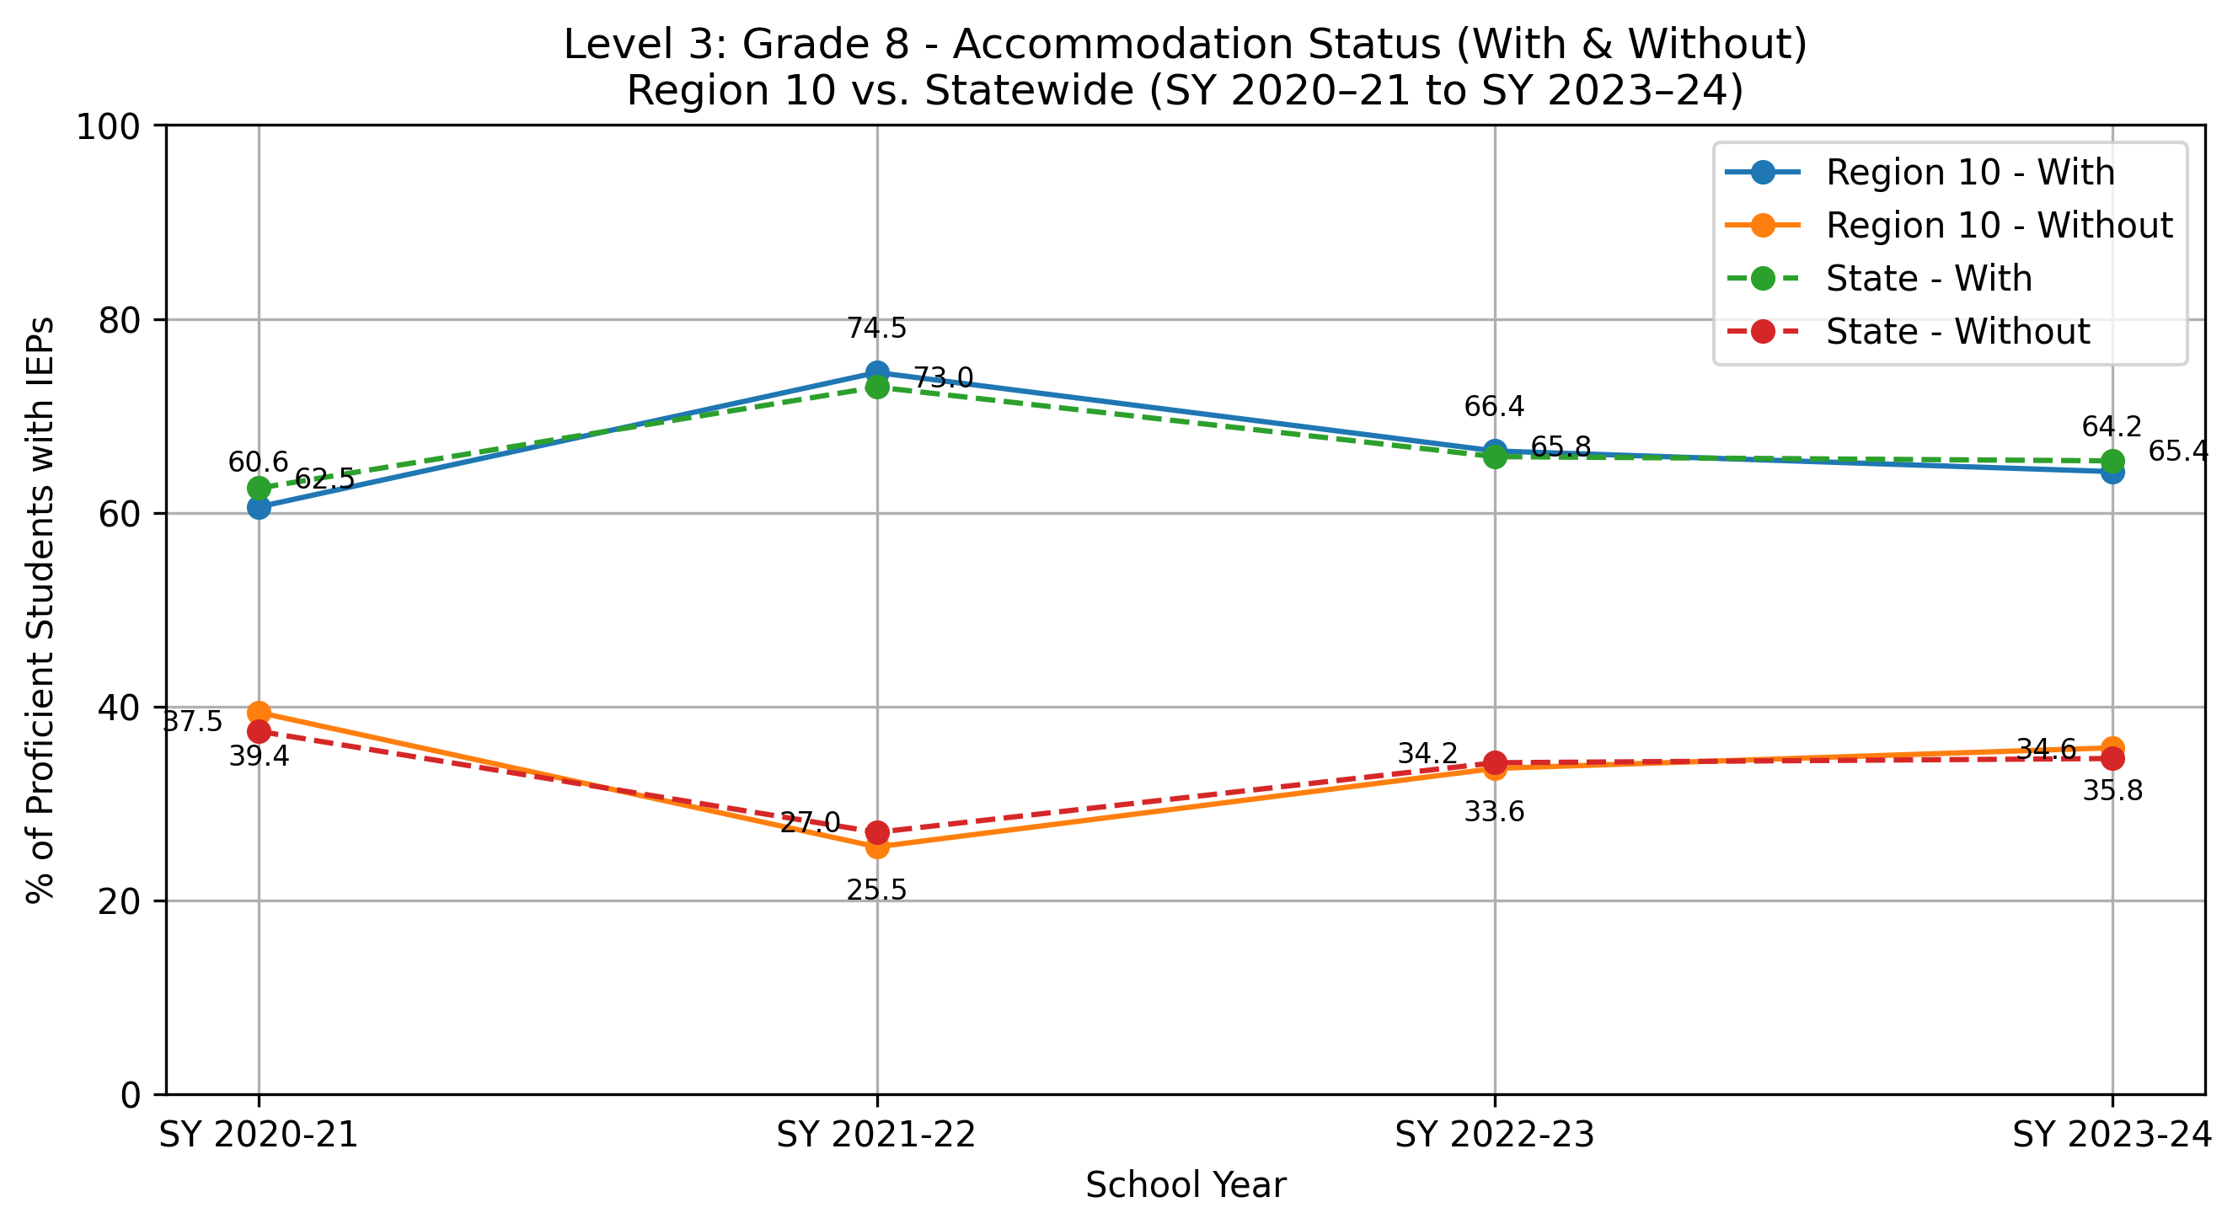
School Year | Region 10 - With Accommodations (%) | Region 10 - Without Accommodations (%) | State - With Accommodations (%) | State - Without Accommodations (%)
SY 2020-21 | 60.6 | 39.4 | 62.5 | 37.5
SY 2021-22 | 74.5 | 25.5 | 73 | 27
SY 2022-23 | 66.4 | 33.6 | 65.8 | 34.2
SY 2023-24 | 64.2 | 35.8 | 65.4 | 34.6

Note: Percentages represent weighted averages combining data from each grade level (Grade 4, Grade 8, and High School) over a four-year period. Two distinct percentages are reported for each level: the percentage of students proficient with accommodations, calculated as total students proficient with accommodations (numerator) divided by total students proficient at grade level or above (denominator), and the percentage of students proficient without accommodations, calculated as total students proficient without accommodations (numerator) divided by total students proficient at grade level or above (denominator).

Level 3 High School
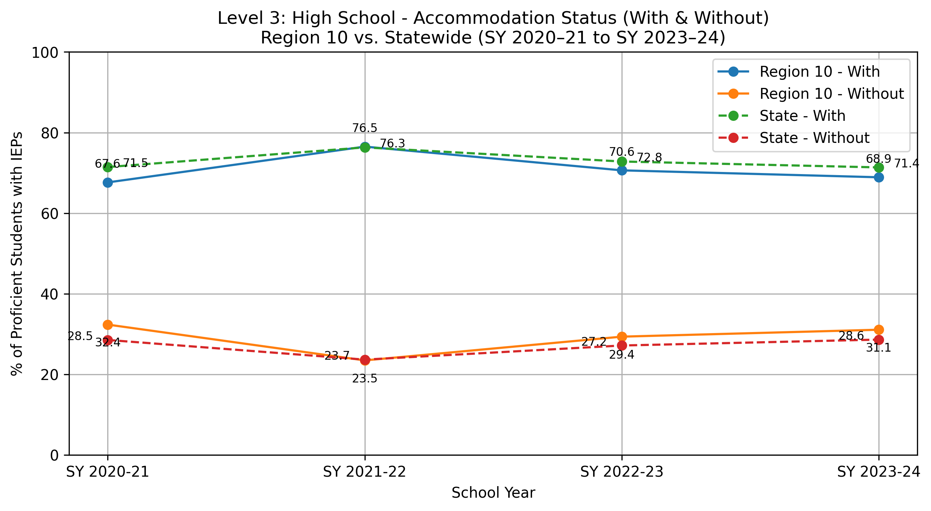
School Year | Region 10 - With Accommodations (%) | Region 10 - Without Accommodations (%) | State - With Accommodations (%) | State - Without Accommodations (%)
SY 2020-21 | 67.6 | 32.4 | 71.5 | 28.5
SY 2021-22 | 76.5 | 23.5 | 76.3 | 23.7
SY 2022-23 | 70.6 | 29.4 | 72.8 | 27.2
SY 2023-24 | 68.9 | 31.1 | 71.4 | 28.6

Note: Percentages represent weighted averages combining data from each grade level (Grade 4, Grade 8, and High School) over a four-year period. Two distinct percentages are reported for each level: the percentage of students proficient with accommodations, calculated as total students proficient with accommodations (numerator) divided by total students proficient at grade level or above (denominator), and the percentage of students proficient without accommodations, calculated as total students proficient without accommodations (numerator) divided by total students proficient at grade level or above (denominator).

Level 4 Combined
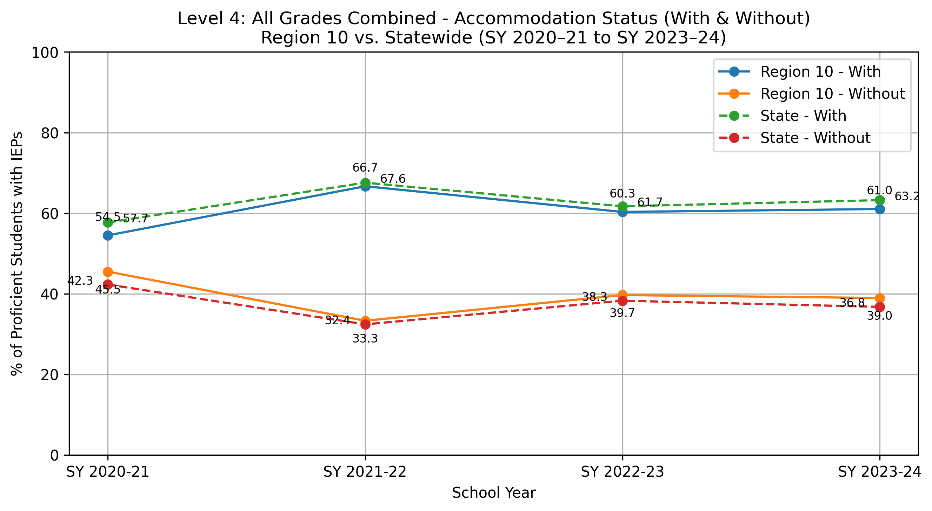
School Year | Region 10 - With Accommodations (%) | Region 10 - Without Accommodations (%) | State - With Accommodations (%) | State - Without Accommodations (%)
SY 2020-21 | 54.5 | 45.5 | 57.7 | 42.3
SY 2021-22 | 66.7 | 33.3 | 67.6 | 32.4
SY 2022-23 | 60.3 | 39.7 | 61.7 | 38.3
SY 2023-24 | 61 | 39 | 63.2 | 36.8

Note: Percentages represent weighted averages combining data from all three grade levels (Grade 4, Grade 8, and High School) over a four-year period. Calculations are performed separately for regional and state levels. Two distinct percentages are reported for each level: the percentage of students proficient with accommodations, calculated as total students proficient with accommodations (numerator) divided by total students proficient at grade level or above (denominator), and the percentage of students proficient without accommodations, calculated as total students proficient without accommodations (numerator) divided by total students proficient at grade level or above (denominator).

