Sheet1
No. | Test Case Scenario | Test Case Scenario Description | Test Values | Expected Outcome | Actual Outcome | Fail/Pass | Justifications (if any)
1.0 | Test displaying of main menu | To test if the program is able to display the main menu successfully. | - | Program will display the main menu | Same as expected outcome. | Pass | -
2.0 | Test valid main menu option is accepted | To test if the program accepts a valid input for main menu selection. | Input: Option - 0 | Program will continue to start the correct action after option is entered. | Same as expected outcome. | Pass | -
3.0 | Test invalid main menu option entered triggers validation. | To test if the program triggers validation for an invalid input for main menu selection. | Input: Option - 5 | Program will display validation that invalid option has been entered and prompts user to try again. | Same as expected outcome. | Pass | -
4.0 | Test reading and loading maze from excel file | To test if the program is able to load and read the correct number of lines that is present in the excel file. | Input: Option - 1 File name - maze.csv | Program will print amount of lines that is present in the excel file. | Same as expected outcome. | Pass | -
5.0 | Test viewing the maze | To test if the program allows the user to view the maze that has been loaded into the program through the excel file. | Input: Option - 2 | Program will correctly display the maze based on the file that had been loaded into the program. | Same as expected outcome. | Pass | -
6.0 | Test valid movement input while playing the maze | To test if the program is able to detect correct movements during the maze after a key is entered. | Input: Option - 3 Movement Key - W/A/S/D | Program will successfully move 'A' up if the option is 'W', down if 'S', left if 'A', and right if 'D'. | - | Fail | -
7.0 | Test returning to main menu while playing the maze | To test if the program is able to return to the main menu while playing the maze. | Input: Option - 3 Movement Key - M | Program will return to the main menu. | - | - | 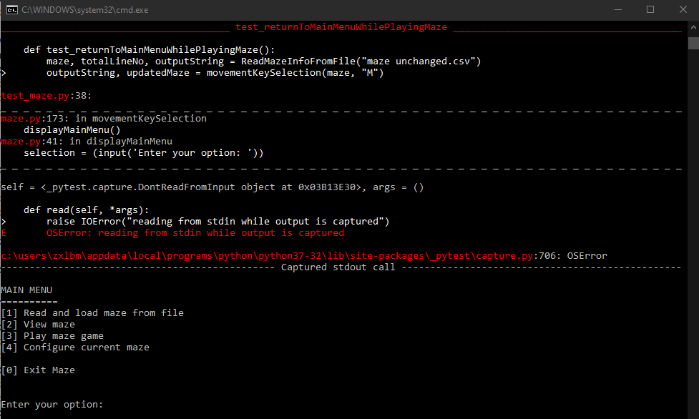 Cannot be done as the program cannot read the console while asking for an input.
8.0 | Test invalid input while playing the maze | To test if the program is able to detect incorrect inputs in the maze and display an error message to prompt user to try again. | Input: Option - 3 Movement Key - F | Program will display an error message which says "Invalid movement. Please try again". | - | Fail | -
9.0 | Test configuring the maze | To test if the program is able see the configuration menu. | Input: Option - 4 | Program will show the Configure Menu. | - | Fail | -
10.0 | Test exiting current configuration and back into Configure Menu. | To test if the program is able to correctly return to Configure Menu from the current configuration. | Input: Option - 4 Configure Menu Option - 1/2/3/4 'B' | Program will return to Configure Menu. | - | Fail | -
11.0 | Test exiting current configuration and back in to Main Menu | To test if the program is able to correct return to the Main Menu from the current configuration. | Input: Option - 4 Configure Menu Option - 1/2/3/4 'M' | Program will return to the Main Menu. | - | Fail | -
12.0 | Test creation of walls | To test if walls can be created successfully. | Input: Option - 4 Configure Menu Option - 1 Coordinates - 1,1 | There should be an 'X' at the coordinates specified. | - | Fail | -
13.0 | Test creation of passageways | To test if passageways can be created successfully. | Input: Option - 4 Configure Menu Option - 2 Coordinates - 2,2 | There should be an 'O' at the coordinates specified. | - | Fail | -
14.0 | Test creation of start point | To test if startpoint can be created successfully. | Input: Option - 4 Configure Menu Option - 3 Coordinates - 1,7 | There should be an 'A' at the coordinates specified and the previous start point (if any) will be updated to an 'O'. | - | Fail | -
15.0 | Test creation of end point | To test if endpoint can be created successfully. | Input: Option - 4 Configure Menu Option - 4 Coordinates - 8,3 | There should be an 'B' at the coordinates specified and the previous end point (if any) will be updated to an 'O'. | - | Fail | -
16.0 | Test invalid input when configuring the maze | To test if validation is present when an invalid coordinate is entered | Input: Option - 4 Configure Menu Option - 1/2/3/4 Coordinates - 9,1 | Program will display an error message which says that the coordinates entered is invalid. | - | Fail | -

