JNJ result
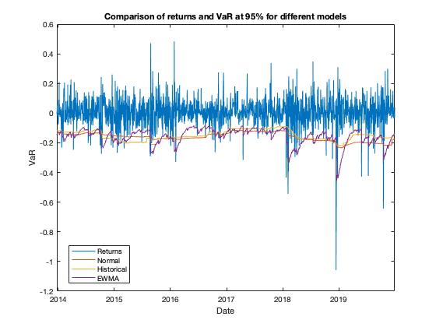
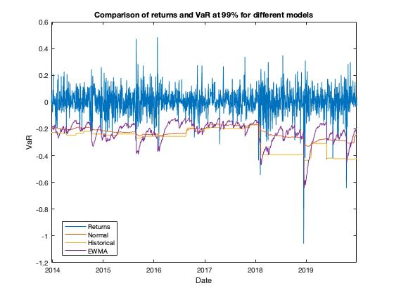
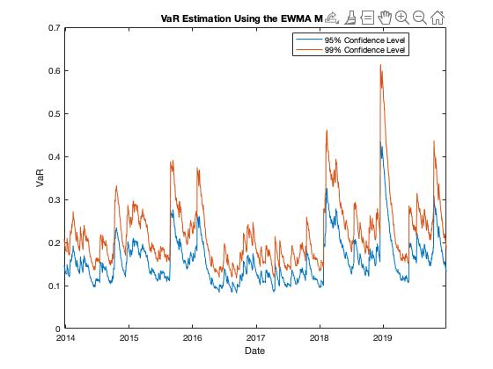
95% |  |  | Volatility weighted
 | Nomal Distribution | Historical
VaR(in million) | 0.15074161563 | 0.14506251984
ES | 26.052783644 | 27.974414764

99%
 | Nomal Distribution | Historical
VaR(in million) | 0.2152194632 | 0.26408856684
ES | 14.337096618 | 9.106941315

SRM | 0.27133985957

 |  |  | Comparison

AGN result
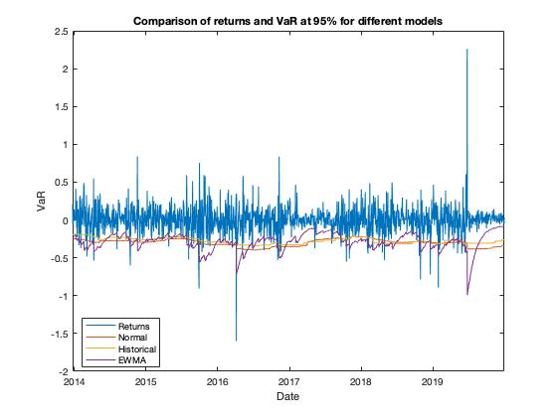
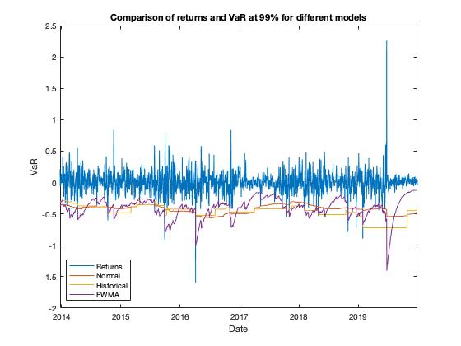
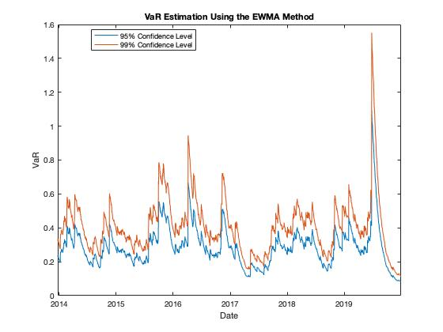
95% |  |  | Volatility weighted
 | Nomal Distribution | Historical
VaR(in million) | 0.27894161752 | 0.25105092093
ES | 37.690221532 | 46.229733766

99%
 | Nomal Distribution | Historical
VaR(in million) | 0.3978049979 | 0.41678574298
ES | 16.589689955 | 14.534156392

SRM | 0.49289085998

 |  |  | Comparison

