Net Working Capital
Net Working Capital | 2018-01-31 | 2019-01-31 | 2020-01-31 | 2021-01-31 | 2022-01-31 | 2023-01-31
Accounts Receivable | 438.2 | 474.3 | 652.3 | 643.1 | 716.1 | 961
Total Cash and Short Term Investment | 1323.2 | 953.6 | 1843.7 | 1776.2 | 1764 | 2072
Prepaid Expense | 110.3 | 187.8 | 162.3 | 201.5 | 272 | 299
Other Current Assets | 6.2 | 4.3 | 1 | 4.7 | 12 | 9
Total Current Assets | 1877.9 | 1620 | 2659.3 | 2625.5 | 2764 | 3341

Accounts Payable | 94.7 | 101.6 | 83.7 | 122.5 | 121 | 102
Accrued Liabilities | 365.1 | 415.7 | 435.7 | 499.8 | 547 | 546
Other Current Liabilities | 1663.4 | 1783.9 | 2202 | 2561 | 2904 | 3267
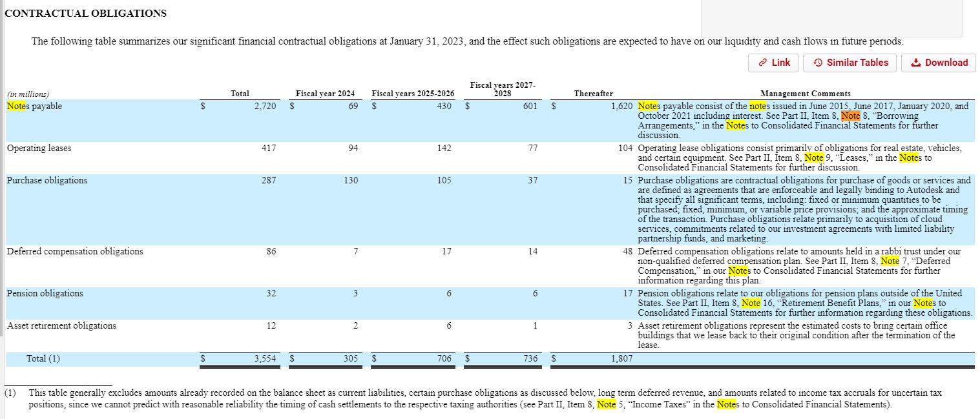
Total Current Liabilities | 2123.2 | 2301.2 | 2721.4 | 3183.3 | 3572 | 3915

NWC | -245.3 | -681.2 | -62.1 | -557.8 | -808 | -574
Change in NWC |  | -435.9 | 619.1 | -495.7 | -250.2 | 234

COMP (2)
 |  |  |  |  |  |  |  |  |  |  | Normalized vs LTM EPS
2023-04-08
 |  |  |  | Enterprise Value |  |  |  |  |  |  | Price/Earning GAAP |  |  | Multiple Type | Low | Range | High
Company | Current Stock price | Equity Value | Enterprise Value | LTM Revenue | NTM Revenue | LTM EBITDA | NTM EBITDA | LTM EBIT | NTM EBIT |  | LTM EPS | NTM EPS |  | NTM EV / Revenue | $209.88 | $52.06 | $261.95
 |  |  |  |  |  |  |  |  |  |  |  |  |  | NTM EV / EBITDA | $168.83 | $40.61 | $209.44
Autodesk | $197.34 | $42,385.22 | $42,594.22 | 8.39x | 7.70x | 21.74x | 20.04x | 23.52x | 21.46x |  | 51.58x | 47.10x | $4.23 | NTM EV / EBIT | $173.71 | $45.01 | $218.72
 |  |  |  |  |  |  |  |  |  |  |  |  |  | NTM Price / EPS | $198.73 | $31.05 | $229.78
Implied Stock Price: Autodesk
Adobe Inc | $380.60 | $174,581.23 | $173,054.23 | 9.51x | 8.62x | 19.09x | 17.47x | 21.12x | 19.20x |  | 36.31x | 32.25x
PTC Inc | $125.29 | $14,817.20 | $15,780.78 | 7.80x | 7.03x | 18.76x | 17.12x | 21.04x | 19.01x |  | 47.03x | 43.69x
ANSYS Inc | $322.08 | $28,048.62 | $28,300.42 | 13.29x | 12.09x | 28.03x | 25.65x | 31.76x | 29.00x |  | 53.89x | 52.05x

Mean |  |  |  | 10.20x | 9.25x | 21.96x | 20.08x | 24.64x | 22.40x |  | 45.74x | 42.66x
Median |  |  |  | 9.51x | 8.62x | 19.09x | 17.47x | 21.12x | 19.20x |  | 47.03x | 43.69x

High |  |  |  | 13.29x | 12.09x | 28.03x | 25.65x | 31.76x | 29.00x |  | 53.89x | 52.05x
Low |  |  |  | 7.80x | 7.03x | 18.76x | 17.12x | 21.04x | 19.01x |  | 36.31x | 32.25x

 | Valution Data |  |  |  |  | Key Assumptions
 | Shares Outstanding (mm) | Net Debt | Pref. Stock | Minority Interest |  | Low Variance | Mid Muliple Percentile | High Variance
Autodesk | 217.75 | $219.00 | $- | $- |  | 40% | 50% | 75%

 |  | Selected Multiple |  |  | Implied Multiple |  |  |  |  |  | Implied Equity Value |  |  |  | Implied Share Price
Multiple Type | Metric | Low | Mid | High | Low | Mid | High | Net Debt | Pref. Stock | Minority Interest | Low | Mid | High | Shares Out. | Low | Mid | High
NTM EV / Revenue | $5,529.23 | 8.31x | 8.62x | 10.36x | $45,921.35 | $47,681.27 | $57,258.00 | $219.00 | $- | $- | $45,702.35 | $47,462.27 | $57,039.00 | 217.75 | $209.88 | $217.97 | $261.95 | $203.53
NTM EV / EBITDA | $2,125.20 | 17.40x | 17.47x | 21.56x | $36,982.74 | $37,133.51 | $45,825.03 | $219.00 | $- | $- | $36,763.74 | $36,914.51 | $45,606.03 | 217.75 | $168.83 | $169.53 | $209.44
NTM EV / EBIT | $1,985.16 | 19.16x | 19.20x | 24.10x | $38,044.91 | $38,124.12 | $47,846.06 | $219.00 | $- | $- | $37,825.91 | $37,905.12 | $47,627.06 | 217.75 | $173.71 | $174.08 | $218.72
NTM Price / EPS | 4.80x | 41.40x | 43.69x | 47.87x | $43,492.37 | $45,883.79 | $50,252.72 | $219.00 | $- | $- | $43,273.37 | $45,664.79 | $50,033.72 | 217.75 | $198.73 | $209.71 | $229.78

COMP
 |  |  |  |  |  |  |  |  |  |  | Normalized vs LTM EPS
2023-04-08
 |  |  |  | Enterprise Value |  |  |  |  |  |  | Price/Earning GAAP |  |  | Multiple Type | Low | Range | High
Company | Current Stock price | Equity Value | Enterprise Value | LTM Revenue | NTM Revenue | LTM EBITDA | NTM EBITDA | LTM EBIT | NTM EBIT |  | LTM EPS | NTM EPS |  | NTM EV / Revenue | $171.92 | $46.05 | $217.97
 |  |  |  |  |  |  |  |  |  |  |  |  |  | NTM EV / EBITDA | $168.14 | $54.02 | $222.16
Autodesk | $197.34 | $42,385.22 | $42,594.22 | 8.39x | 7.70x | 21.74x | 20.04x | 23.52x | 21.46x |  | 51.58x | 47.10x |  | NTM EV / EBIT | $173.35 | $80.30 | $253.65
 |  |  |  |  |  |  |  |  |  |  |  |  |  | NTM Price / EPS | $178.91 | $58.23 | $237.14
Implied Stock Price: Starbucks
Adobe Inc | $380.60 | $174,581.23 | $173,054.23 | 9.51x | 8.62x | 19.09x | 17.47x | 21.12x | 19.20x |  | 36.31x | 32.25x
Workday Inc | $196.81 | $50,973.79 | $48,101.47 | 7.52x | 6.48x | 29.03x | 22.87x | 37.28x | 27.93x
PTC Inc | $125.29 | $14,817.20 | $15,780.78 | 7.80x | 7.03x | 18.76x | 17.12x | 21.04x | 19.01x |  | 47.03x | 43.69x
ANSYS Inc | $322.08 | $28,048.62 | $28,300.42 | 13.29x | 12.09x | 28.03x | 25.65x | 31.76x | 29.00x |  | 53.89x | 52.05x
Oracle Coporation | $95.92 | $258,965.00 | $342,007.00 | 7.01x | 6.46x | 14.77x | 13.24x | 16.52x | 15.08x |  | 32.4 | 25.72
 |  |  |  |  |  |  |  |  |  |  | 42.41x | 38.43x
Mean |  |  |  | 9.03x | 8.14x | 21.93x | 19.27x | 25.54x | 22.04x |  | 47.03x | 43.69x
Median |  |  |  | 7.80x | 7.03x | 19.09x | 17.47x | 21.12x | 19.20x
 |  |  |  |  |  |  |  |  |  |  | 53.89x | 52.05x
High |  |  |  | 13.29x | 12.09x | 29.03x | 25.65x | 37.28x | 29.00x |  | 36.31x | 32.25x
Low |  |  |  | 7.01x | 6.46x | 14.77x | 13.24x | 16.52x | 15.08x

 | Valution Data |  |  |  |  | Key Assumptions
 | Shares Outstanding (mm) | Net Debt | Pref. Stock | Minority Interest |  | Low Variance | Mid Muliple Percentile | High Variance
Autodesk | 217.75 | $219.00 | $- | $- |  | 40% | 50% | 75%

 |  | Selected Multiple |  |  | Implied Multiple |  |  |  |  |  | Implied Equity Value |  |  |  | Implied Share Price
Multiple Type | Metric | Low | Mid | High | Low | Mid | High | Net Debt | Pref. Stock | Minority Interest | Low | Mid | High | Shares Out. | Low | Mid | High
NTM EV / Revenue | $5,529.23 | 6.81x | 7.03x | 8.62x | $37,653.71 | $38,881.71 | $47,681.27 | $219.00 | $- | $- | $37,434.71 | $38,662.71 | $47,462.27 | 217.75 | $171.92 | $177.56 | $217.97 | $195.09
NTM EV / EBITDA | $2,125.20 | 17.33x | 17.47x | 22.87x | $36,831.98 | $37,133.51 | $48,595.03 | $219.00 | $- | $- | $36,612.98 | $36,914.51 | $48,376.03 | 217.75 | $168.14 | $169.53 | $222.16
NTM EV / EBIT | $1,985.16 | 19.12x | 19.20x | 27.93x | $37,965.70 | $38,124.12 | $55,450.52 | $219.00 | $- | $- | $37,746.70 | $37,905.12 | $55,231.52 | 217.75 | $173.35 | $174.08 | $253.65
NTM Price / EPS | 5.18x | 34.54x | 37.97x | 45.78x | $39,175.96 | $43,047.07 | $51,856.32 | $219.00 | $- | $- | $38,956.96 | $42,828.07 | $51,637.32 | 217.75 | $178.91 | $196.68 | $237.14

