Glossary
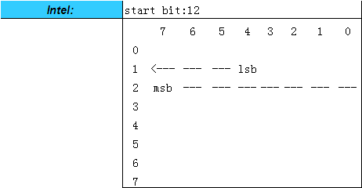
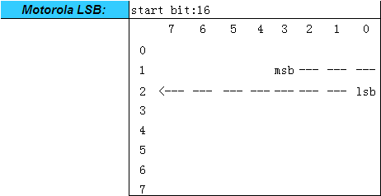
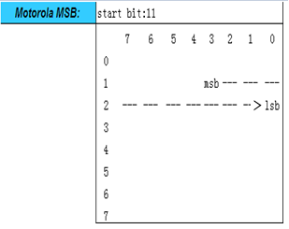
Glossary - CAN/CANFD/LIN
Motorola

Property | Description | Remarks
Msg ID 报文标识符 | Message identifier in hex value | ValueType: Hex StringFormat:0x([0-9A-Fa-f]{2}) eg.0x1DA
Frame Format 帧格式 | CAN Frame Type:StandardCAN , StandardCAN_FD,Extended CAN, ExtendedCAN_FD LIN Frame Type:LIN | ValueType: Enum String List ValueList: CAN/CANFD: StandardCAN StandardCAN_FD ExtendedCAN ExtendedCAN_FD
BRS 传输速率切换标识位 | Bit Rate Switch If the bit is detected recessive“1”, the bit rate shall be switched from the nominal bit rate of the arbitration phase to the preconfigured data bit rate of the data phase.If the bit is detected dominant“0”, the bit rate shall not be switched.
Msg Name 报文名称 | Message name | StringFormat: [_a-zA-Z]{,1}[_0-9a-zA-Z]{1,31} StringLength: 1-32 eg.HCU_GenDisp
Msg Type 报文类型 | Msg Type: IL, NM, DIAG, APPL,DiagState,DiagRequest,DiagResponse IL: Interaction Layer message NM：Network Mangment message DIAG: Diagnostic message APPL: CCP/XCP message DiagState: Functional Diagnostic Request message DiagRequest: Physical Diagnostic Request message DiagResponse: Physical Diagnostic Response message | ValueType: Enum String List ValueList: IL NM DIAG APPL DiagState DiagRequest DiagResponse
Msg Length(Byte) 报文长度 | Byte size of the message | ValueType: Integer,0-64 StringFromat: [0-9]{1-2}
Msg Send Type 报文发送类型 | Send type for the message | ValueType: Enum String List ValueList: CAN/CANFD: Cycle Event IfActive CE CA NoMsgSendType
Msg Cycle Time (ms) 报文周期时间 | Cycle time of the message if it should be sent cyclically (Cyclic, Cyclic if Active with Repetition, Cyclic with Repetition on Event) | ValueType:Integer
Msg Cycle Time Fast(ms) 报文发送的快速周期 | The fast cycle time of message | ValueType:Integer
Msg Nr. Of Repetition 报文快速发送的次数 | The repetition number of message,include message cycle change or Repetition on Event Number of repetitions used if the GenSigSendType is OnChangeWithRepetition, OnWriteWithRepetition,IfActiveWithRepetition | ValueType:Integer
Msg Delay Time(ms) 报文延时时间 | This is the minimum time in ms between the transmissions of messages with the same identifier. | ValueType:Integer
Signal Name 信号名称 | Signal Name | StringFormat: [_a-zA-Z]{,1}[_0-9a-zA-Z]{1,31} StringLength: 32 eg.ESP_RRWheelspeed
Multiplexing Type | With signal multiplexing different signals can be transmitted on identical data bytes in a message depending on a multiplex value; A signal group may only contain message signals that are transmitted by the same message Signal multiplexing shall not be used.For the signals within the same group, the same character is used for marking. | ValueType: Enum String List ValueList: Normal Signal Multiplexed Signal Multiplexor Signal
Multiplex Value(Hex) | / | /
Start Bit (LSB) 起始位 | Signal starting bit position within the message | ValueType:Integer, 0-63
Start Byte 起始字节 | Signal starting byte position within the message | ValueType:Integer, 0-63
Bit Length(Bit) 信号长度 | Bit size of the signal | ValueType:Integer, 1-64
Byte Order 排列格式 | Description the byte order, intel or mortoral | ValueType:String ValueList: Intel Motorola LSB Motorola MSB Motorola Sequential Motorola Backward
数据类型 | Date type of the signal | ValueType: Enum String List ValueList: Unsigned Signed
Resolution 精度 | The raw value of a signal is the value as it is transmitted in the network. The physical value of a signal is the value of the physical quantity (e.g. speed, rpm, temperature, etc.) that represents the signal. The signal's conversion formula (Factor, Offset) is used to transform the raw value to a physical value or in the reverse direction. [Physical value] = ( [Raw value] * [Factor] ) + [Offset]
Offset 偏移量 | Offset value is to calculate the physical value of the signal. | StringFormat: [0-9]{0,8}.[0-9]{0,8}[E+-0-9]{0,1} eg. 0.125 or 1.25E-1
Sig Min. Value(phys) | Physical minimum value of the signal in physical value The "physical value" of a signal is the value of the physical quantity (e.g. speed, rpm, temperature, etc.) that represents the signal. | ValueType:Integer, float
Sig Max. Value(phys) | Physical maximum value of the signal in physical value | ValueType:Integer, float
Sig Min. Value(Hex) | Bus minimum value of the signal in Bus value | ValueType:Integer
Sig Max. Value(Hex) | Bus maximum value of the signal in Bus value | ValueType:Integer
Initial Value(Hex) 初始值 | The start or initial value of the signal, which is sent after ECU startups until the application sets the signal value the first time | always raw value of SIV (Signal Initial Value)
Invalid Value(Hex) 无效值 | Invalid value in hex value SVV | ValueType: Hex StringFormat:0x([0-9A-Fa-f]{2})
Unit | Unit of the signal physical value | ValueType: String
Signal Value Description | Hex-physics representation of the signal value or a list of raw data corresponding discrete value | ValueType: Key=Value list eg. 0x00=Idle<CR> 0x01=ON<CR> 0x02=ACC<CR> 0x03=OFF 0x00=On, 0x01-0x02=Reserve, 0x03=OFF support chinese
Signal Description | Additional comments to the signal, e.g. signal description | support chinese and English
inactive Value(Hex) 非使能值 | The inactive value of a signal, which is only used for signal send type 'Cyclic if Active with Repetition'. If the signal value is unequal to GenSigInactiveValue the message the signal is placed on will be transmitted periodically | SIV unless specified; The signals is given as a signal raw value in this attribute.
Signal Send Type 信号发送类型 | Send type for the signal | ValueType: Enum String List ValueList: Cycle OnWrite OnWriteWithRepetition OnChange OnChangeWithRepetition IfActive IfActiveWithRepetition NoSigSendType OnChangeAndIfActive(not used) OnChangeAndIfActiveWithRepetition(not used) CA(not used) CE(not used) Event(not used)
ASIL 功能安全等级 | Automotive Safety Integrity Level | ValueType: Enum String List ValueList: QM A B C D
GenMsgILSupport 报文路由属性 | Indicates that a message shall be handled by COM. If “Yes” is chosen the message will be handled by COM otherwise not. | ValueType: Enum String List ValueList: No Yes
Checksum Mode校验方式 | CRC of LIN message checksum mode | ValueType: Enum String List ValueList: Classic Enhanced
E2E SignalGroup 功能安全信号组 | Indicates DataID | ValueType: Hex StringFormat:0x([0-9A-Fa-f]{2})

