6Li_19F
theta_lab | dse | sigma_e | dsR | sigma_R | se/sR | dse/sR | Final Chi2: 2.0532
24 | 0.07 | 0.87 | 0.1 | 1.8 | 0.48333333333 | 0.0977762464 | --------------------
26 | 0.05 | 0.61 | 0.1 | 1.3 | 0.46923076923 | 0.11240900226 | Optimized Optical Potential Parameters:
28 | 0.05 | 0.42 | 0.1 | 1 | 0.42 | 0.15547454969 | V (Real Vol) : 35.1669
30 | 0.03 | 0.27 | 0.01 | 0.77 | 0.35064935065 | 0.11186751771 | r0 : 1.3509
 |  |  |  |  |  |  | a0 : 0.5391
 |  |  |  |  |  |  | W (Surf Imag) : 19.4478
 |  |  |  |  |  |  | rw : 1.5058
 |  |  |  |  |  |  | aw : 0.4028
 |  |  |  |  |  |  | ========================================

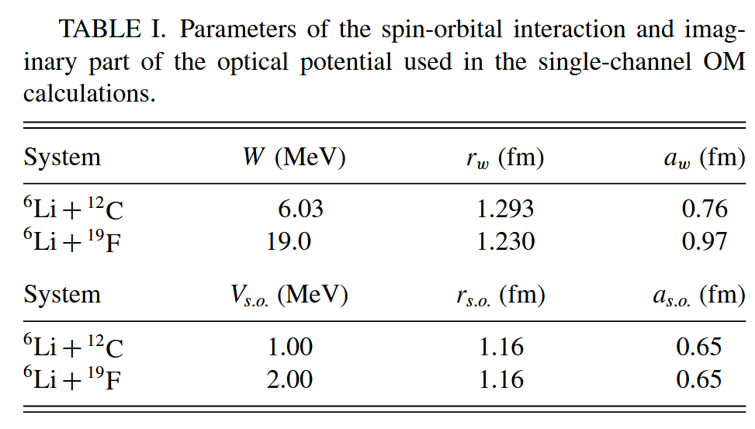
theta_cm | se/sr | dse/sR |  |  |  |  |  | 采用SPP势进行拟合，得到结果：
13.204780254 | 0.93994902635 | 0.18798980527 |  |  |  |  |  | ========================================
19.795451679 | 0.34202412621 | 0.068404825241 |  |  |  |  |  | Fit Finished! Final Chi2: 20.1307
26.118790207 | 0.26405788653 | 0.052811577305 |  |  |  |  |  | --------------------
32.859973714 | 0.16396112062 | 0.032792224123 |  |  |  |  |  | Optimized Real Potential Parameters:
35.246194473 | 0.12922774573 | 0.025845549146 |  |  |  |  |  | V (Depth) : 40.0123 MeV
39.464194889 | 0.12409663855 | 0.024819327709 |  |  |  |  |  | r0 (Rad) : 1.0010 fm
41.714551943 | 0.12651485006 | 0.025302970012 |  |  |  |  |  | a0 (Diff) : 0.8835 fm
45.786068579 | 0.088514990982 | 0.017702998196 |  |  |  |  |  | --------------------
47.750782264 | 0.07116532105 | 0.01423306421 |  |  |  |  |  | Fixed Imaginary Parameters (Zamora 2022):
52.10757606 | 0.061898089388 | 0.012379617878 |  |  |  |  |  | W=19.0, r=1.23, a=0.97
53.935327412 | 0.060660534431 | 0.012132106886 |  |  |  |  |  | ========================================
58.153694036 | 0.059416474444 | 0.011883294889 |  |  |  |  |  | 更改为深势井
59.697999276 | 0.051711167977 | 0.010342233595 |  |  |  |  |  | ========================================
65.737159273 | 0.034078654012 | 0.0068157308025 |  |  |  |  |  | Fit Finished! Final Chi2: 24.8958
71.203933903 | 0.01316229196 | 0.0026324583919 |  |  |  |  |  | --------------------
77.106497776 | 0.010784584269 | 0.0021569168538 |  |  |  |  |  | Optimized Real Potential Parameters:
 |  |  |  |  |  |  |  | V (Depth) : 265.8358 MeV
 |  |  |  |  |  |  |  | r0 (Rad) : 1.0002 fm
 |  |  |  |  |  |  |  | a0 (Diff) : 0.6924 fm
 |  |  |  |  |  |  |  | --------------------
 |  |  |  |  |  |  |  | Fixed Imaginary Parameters (Zamora 2022):
 |  |  |  |  |  |  |  | W=19.0, r=1.23, a=0.97
 |  |  |  |  |  |  |  | ========================================

 |  |  |  |  |  |  |  | 全局参数改进
 |  |  |  |  |  |  |  | ========================================
 |  |  |  |  |  |  |  | Optimization Finished!
 |  |  |  |  |  |  |  | Final Log-Chi2: 1.5140
 |  |  |  |  |  |  |  | --------------------
 |  |  |  |  |  |  |  | Parameter Initial Fitted
 |  |  |  |  |  |  |  | V_r 262.08 278.82
 |  |  |  |  |  |  |  | W_s 26.87 30.12
 |  |  |  |  |  |  |  | W_v 1.00 13.47

束缚系统
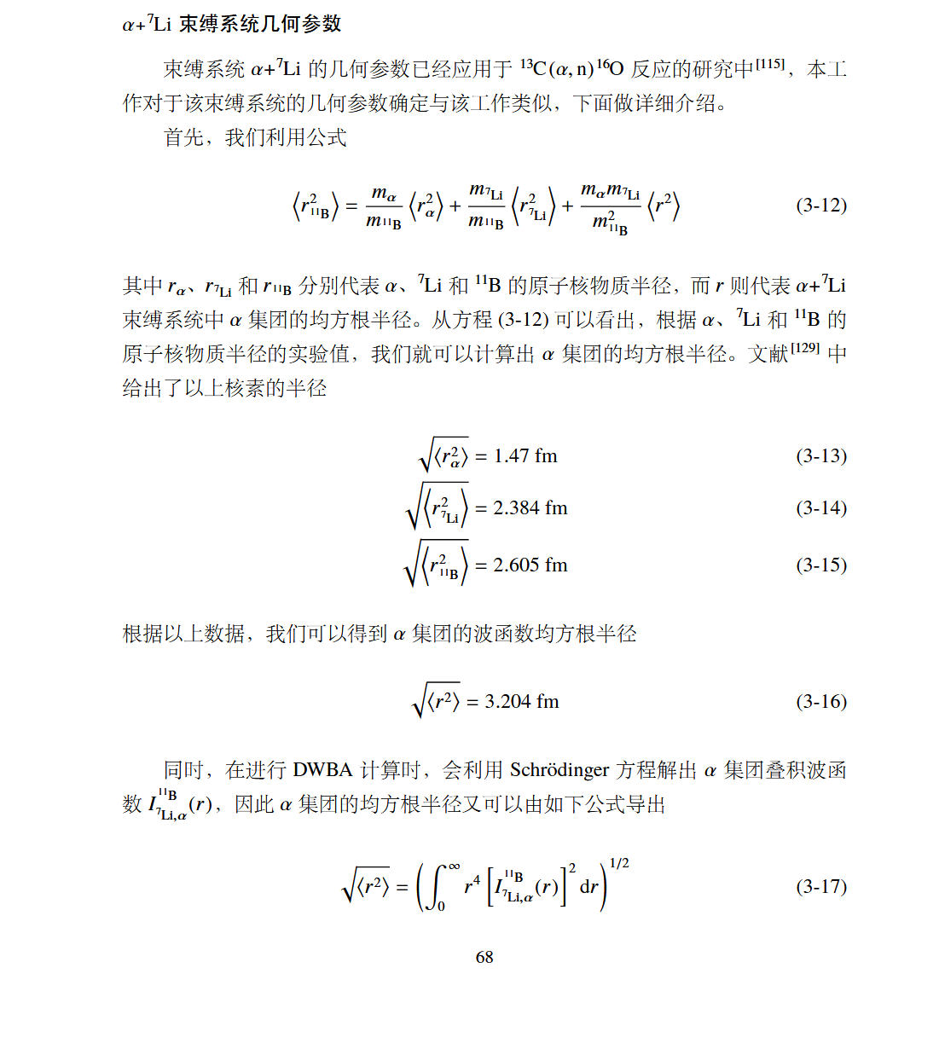

4.27762797

