缺失数据
缺失基础数据：
方法与field关系 |  |  | TCC/LCC/LCOM/LCOM*
方法参数类型与返回值及其类型 | 返回类型，和返回表达式 |  | c_chm/c_chd
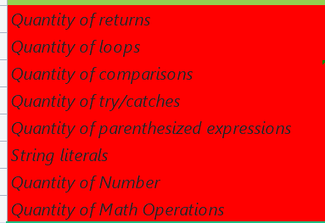
 | √ |  | Quantity of returns
 | √ |  | Quantity of loops
 | 哪种 进行比较的，比如：!=/==
 | √ |  | Quantity of try/catches
 |  |  | Quantity of parenthesized expressions
 | 数量或者以实体形式展示？
 | √ |  | Quantity of Number

 |  |  | inner classes

 | √ |  | assignmentsQty

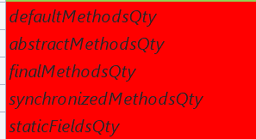
 | √ | modifiers | √
 | √ | modifiers | √
 | √ | modifiers | √
 | √ | modifiers | √
 | √ | modifiers | √
 | √ | modifiers | √
 | √ | modifiers | √
 | √ | modifiers | √
 | √ | modifiers | √
 | √ | modifiers | √
 | √ | modifiers | √

