cables
SNES and NGC pinout on RJ45

Pin | RJ45 color | Function | NGC cable 1 | NGC cable 2 | NGC cable 3 | NGC cable 4 | SNES cable 1 | SNES cable 2 | SNES cable 3
1 | White/orange | SNES-5v |  |  |  |  | Blue | Green | Blue
2 | Orange | SNES-clk |  |  |  |  | Yellow | Yellow | Yellow
3 | White/green | SNES-latch |  |  |  |  | Black | White | White
4 | Blue | CSNES-dat |  |  |  |  | Red | Red | Red
5 | White/blue | CGC-dat | White | Yellow | Orange | Red
6 | Green | NC | Blue
7 | White/brown | 5v-NGC | Red | Black | Brown | White
8 | Brown | GND | Yellow, Black | Red | Black | Yellow, Black | Green | Black | Brown
 |  |  | w/ brown wire | w/o brown wire | 7 conductors | 5 conductor |  | w/ white wire
N64 pinout on phone connector
N64 cable |  | Function | RJ10 pin | RJ11 pin
 |  |  |  | 1
 |  |  | 1 | 2
Black |  | GND | 2 | 3
Green/White |  | DATA | 3 | 4
Red |  | 3v3 | 4 | 5
 |  |  |  | 6

NGC pinout on 6-pin
Pin | Color | Function | breakout
1 | Green | MGND | 4
2 | Orange | GND | 3
3 | Yellow | GND | 7
4 | White | DAT | 2
5 | Red | 3v3 | 6
6 | Black | 5v | 1

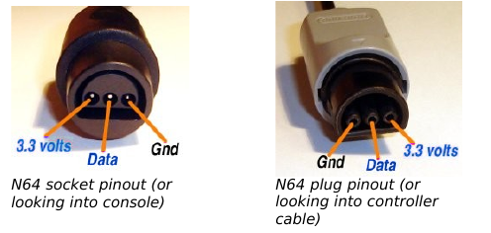
N64 pinout on header

Pin |  | Function | connector
1 | Red | 3v3 | 1
2 | Black | DATA | 2
3 | Yellow | GND | 3
 | On rev3: swap pins 1 and 3 on header!!

SNES pinout on 5-pin

Pin | Color | Function | SNES cable 1 | SNES cable 2 | SNES cable 3 | connector
1 | Orange | GND | Green | Green | Brown | 7
2 | Yellow | CLK | Yellow | Yellow | Yellow | 2
3 | White | LATCH | Black | White | White | 3
4 | Red | DATA | Red | Red | Red | 4
5 | Black | 5V | Blue | Black | Blue | 1

PS2 pinout on RJ45
Pin | Color | Function | RJ45
1 | Brown | Data | 1
2 | Orange | Command | 2
3 | White/Grey | Rumble | 3
4 | Black | Ground | 4
5 | Red | 3v3 | 5
6 | Yellow | Attention | 6
7 | Blue | Clock | 7
8 | Green | Acknowledge | 8

