Full Factorial
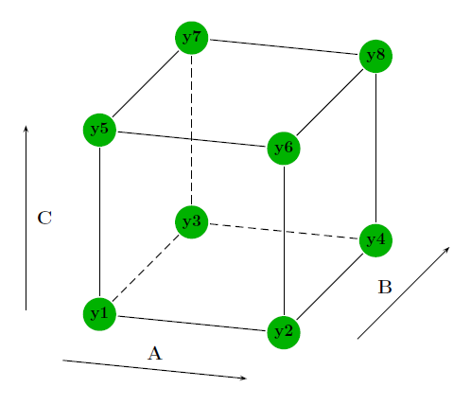
Separate C-Rates (chrg/dis), one Temperature
DOD | C-Rate chrg | C-Rate dis | Y |  | min (-) | max (+) | mean (0) | CCD min (--) | CCD max (++) | A | B | C | Y
45 | 0.5 | 1 | y1 | DOD[%] | 45 | 65 | 55 | 38.182071695 | 71.817928305 | - | - | - | y1
65 | 0.5 | 1 | y2 | C-Rate chrg | 0.5 | 0.9 | 0.7 | 0.3636414339 | 1.0363585661 | + | - | - | y2
45 | 0.9 | 1 | y3 | C-Rate dis | 1 | 2.5 | 1.75 | 0.48865537712 | 3.0113446229 | - | + | - | y3
65 | 0.9 | 1 | y4 | Temperature[°C] | 25 | 45 | 35 | 18.182071695 | 51.817928305 | + | + | - | y4
45 | 0.5 | 2.5 | y5 |  |  |  |  |  |  | - | - | + | y5
65 | 0.5 | 2.5 | y6 |  |  |  |  |  |  | + | - | + | y6
45 | 0.9 | 2.5 | y7 | Temperature: | 25°C |  |  | n factors: | 3 | - | + | + | y7
65 | 0.9 | 2.5 | y8 | SOCmean | 50% |  |  | n full factorial | 8 | + | + | + | y8
55 | 0.7 | 1.75 | y9 |  |  |  |  | n samples | 2 | 0 | 0 | 0 | y9
38.182071695 | 0.7 | 1.75 | y10 | Calendric |  |  |  | alpha | 1.6817928305 | -- | 0 | 0 | y10
71.817928305 | 0.7 | 1.75 | y11 | Temperature: | what is available |  |  |  |  | ++ | 0 | 0 | y11
55 | 0.3636414339 | 1.75 | y12 | SOCmean | 20%,50%,100% |  |  |  |  | 0 | -- | 0 | y12
55 | 1.0363585661 | 1.75 | y13 | n-Zellen | 18 |  |  |  |  | 0 | ++ | 0 | y13
55 | 0.7 | 0.48865537712 | y14 |  |  |  |  |  |  | 0 | 0 | -- | y14
55 | 0.7 | 3.0113446229 | y15 | C_SOH80: | 1.44 |  |  |  |  | 0 | 0 | ++ | y15
 |  |  |  | Cnom: | 1.8

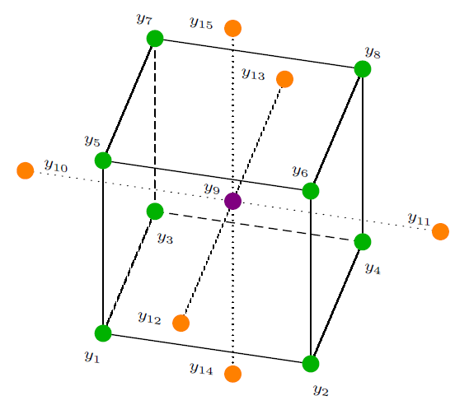
 |  |  |  | y4 for large cells
 |  |  |  |  |  |  |  |  |  | A | B | C
 |  |  |  |  |  |  |  |  |  | - | - | + | y5
To keep the handling of the experiments simple, the DOD is realised by dicharging and charging the cells with a constant amount of charge during the entire experiment. The nominal capacity (Cnom) is taken as a reference to calculate the particular DODs.
Advantage of this strategie is a closer relation to a practical application in stationary storage, where mostly is taken a specific amount.
Drawback is, that the mean SOC of the cycling will decrease with rising degradation of the cells.
Example:
Cnom = 1.8 Ah, DOD = 50%
Charge_dod = Cnom*(DOD/100) = 0.72 Ah
 |  |  |  |  |  |  |  |  |  | + | - | - | y2
 |  |  |  |  |  |  |  |  |  | - | + | - | y3
 |  |  |  |  |  |  |  |  |  | + | + | + | y8

