Data Dictionary Fields
Field ID | Unique ID for the label (technical field. assigned by the BA)
Field Label | Field label in EN language as it appears at the GUI. NOTE: each field label needs to be recordet in the label log
Entity Name | Entity model class name
Field Description/Notes | Field description in EN language. Field related notes.
ENUM Reference Code | Reference code to the enum list used by the field
Figure 1
Figure 2
Figure 3
Field Type | Description of the type of the field. The field type can be a technical field type or can be of a reference to another Entity. Type of technical fields used : String (list of characters) , Date , Boolean (True or False), Enum (enumeration - list of values. The code of the exact enumeration where the values are available is described in the 'ENUM Reference Code' field), Integer (Integer numeric field), Decimal (Numeric field with comma separated values), etc.; Type of field - Entity : When the field type is a reference to another Entity it means that in fact the current field is expressing a relationship of the current Entity to the referenced Entity. We also say that the current field is "of type" of the referenced Entity (having in fact all the attributes of this refered entity). Expressing the link between the different entities is important in order to express the multiplicity (how many entities of a type can relate to another one) Note: When the Entity referenced in the Field Type column is described in the same Sheet of the Data Dictionary, no additional remarks are added. If the Entity referenced is in another Tab of the same Data Dictionary - the corresponding sheet is mentiond together with the Entity in the Field Type column (for example : Containeditem [DD Container Pack]) If the Entity referenced is in ANOTHER Data Dictionary (example Actor) - the corresponding Module the sheet from the Data Dictionary corresponding to that Module is mentiond together with the Entity in the Field Type column (for example : VersionData [Actor - EUDAMED Common Entities]) Example of a reference to another entity: Figure 1 presents the entity Person containing the field personContactDetails which is "of type" (references the entity) ContactDetails. This means that the Person (entity) is related to the ContactDetails (entity) (same relationship explicitly presented in Figure 2). The number of Contact Details a Person can have (a person can have 0 | 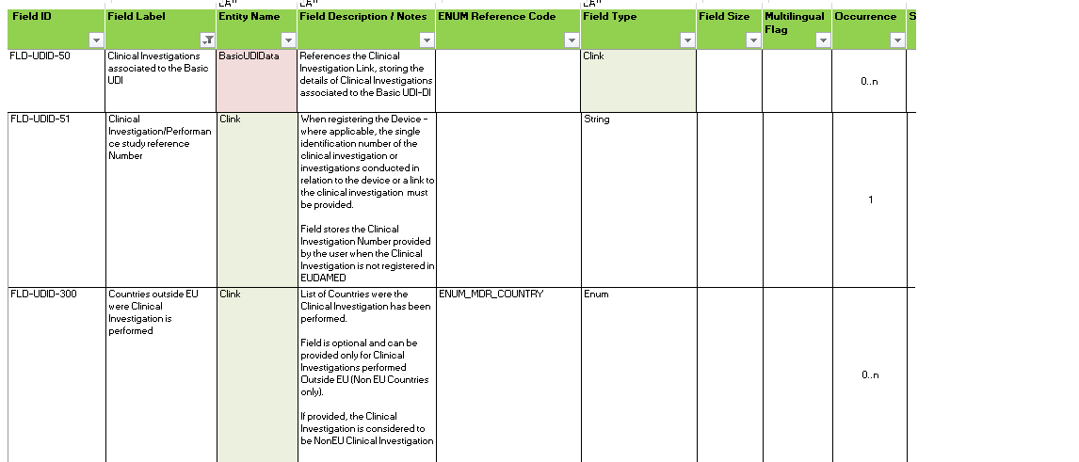
Field Size | XXS : 50 characters; XS : 120 characters; S : 255 characters; M : 500 characters; L : 2000 characters; XL : clob; SRN : 15 characters; Number (10); Decimal : Numeric- comma separated values; Table short names: VARCHAR 2 (3 CHAR); Audit fields : VARCHAR2 (30 CHAR)
Multilingual Flag | Can the user provide multiple translations for this field (if blank means No)
Occurrence | How many times does this field exists. Identifies if the field/ attribute is Mandatory(Required), Optional or Conditional and how many times does this field exists. If occurrence is 0..1 - field is Optional or can apperar only once for the current entity; If occurrence is 0..n - field is Optional or can apperar several times for the current entity; If occurrence is 1 ..n ( any number > 1 ) - field is Mandatory(/Required) and is present as in the mentioned number of times (n) for the current entity. Notes : 1. In order to determine if a field is Mandatory (Required) or not, the Applicable Legislation needs to be taken into account (there are fields Required for specific Applicable legislations, e.g, Implantable;) 2. If a generic value is provided in the Occuence field (e.g., 1..n) , it means that the attribute can be provided serveral times for the entity without having a specific limit. As an example Device Nomenclature Code (FLD-UDID-149 - UDI/Device Module) has an Occurence of 1..n in regards to the UDI-DI entity. This means that several Device Nomenclature codes can be provided for a UDI-DI, without mentioning a specific limit. When specific conditions apply for a certain field (field is required in certain conditions) , these are presented in the Occurence column (e.g., Required only for Directive Certificate).
Searchable | if the field will be used in the search (if blank means No)
GDPR Flag | if the information stored in this field is considered personal data in compliance with PDPR (if blank means No)
Public Access Flag | if the information from this field will be available into the MDR Eudamed public site (if blank means No)
Updateable | mentions if the field is updateble (Editable) when creating a normal update of the entity (standard version) (if blank means No)
MDR (MDD/AIMDD) | referance to the legal bases for the field when 'required in legislation' flag is 'Yes' (if blank means No)
IVDR (IVDD) | referance to the legal bases for the field when 'required in legislation' flag is 'Yes' (if blank means No)
DTX Entity Name | Data Exchange Entity name
DTX XSD Element Name | Data Exchange XSD Element / Entity Attribute

